% de Mercado por región
(Tonelada) |  | Jan-20 | Feb-20 | Mar-20 | Apr-20 | May-20 | Jun-20 | Jul-20 | Aug-20 | Sep-20 | Oct-20 | Nov-20 | Dec-20 |  |  | Jan-21 | Feb-21 | Mar-21 | Apr-21 | May-21 | Jun-21 | Jul-21 | Aug-21 | Sep-21 | Oct-21 | Nov-21 | Dec-21 |  |  | Jan-22 | Feb-22 | Mar-22 | Apr-22 | May-22 | Jun-22 | Jul-22 | Aug-22 | Sep-22 | Oct-22 | Nov-22 | Dec-22 |  |  | Jan-23 | Feb-23 | Mar-23 | Apr-23 | May-23 | Jun-23 | Jul-23 | Aug-23 | Sep-23 | Oct-23 | Nov-23 | Dec-23
Región | Años | Uva | Uva | Uva | Uva | Uva | Uva | Uva | Uva | Uva | Uva | Uva | Uva | Región | Años | Uva | Uva | Uva | Uva | Uva | Uva | Uva | Uva | Uva | Uva | Uva | Uva | Región | Años | Uva | Uva | Uva | Uva | Uva | Uva | Uva | Uva | Uva | Uva | Uva | Uva | Región | Años | Uva | Uva | Uva | Uva | Uva | Uva | Uva | Uva | Uva | Uva | Uva | Uva
Total Nacional | 2019p/ | 106,917 | 214,631 | 296,668 | 315,145 | 327,296 | 342,556 | 354,998 | 368,218 | 380,817 | 427,335 | 540,566 | 639,816 | Total Nacional | 2020p/ | 145,122 | 243,624 | 311,524 | 328,680 | 338,452 | 344,155 | 355,607 | 363,121 | 375,119 | 424,719 | 537,732 | 733,472 | Total Nacional | 2021p | 187,075 | 298,747 | 375,627 | 395,298 | 406,138 | 415,930 | 422,286 | 429,550 | 441,584 | 490,778 | 607,102 | 826,156 | Total Nacional | 2022p | 221,634 | 428,873 | 428,873 | 456,798 | 474,038 | 497,848 | 504,698 | 510,706 | 520,836 | 580,306 | 699,783 | 922,891
 | 2020p/ | 134,126 | 239,771 | 317,031 | 339,457 | 349,920 | 355,648 | 364,282 | 371,786 | 387,147 | 435,269 | 563,272 | 735,643 |  | 2021p/ | 186,739 | 296,088 | 364,542 | 379,166 | 389,937 | 411,294 | 417,198 | 425,059 | 436,598 | 486,701 | 610,923 | 824,229 |  | 2022p | 206,656 | 330,665 | 413,343 | 440,737 | 457,915 | 467,053 | 473,897 | 480,151 | 495,858 | 556,267 | 677,962 | 919,497 |  | 2023p | 240,620 | 471,474 | 471,474 | 504,882 | 523,036 | 543,198 | 548,755 | 554,857 | 581,087 | 668,552 | 820,971 | 1,021,678
Amazonas | 2019 | 0 | 0 | 0 | 0 | 0 | 0 | 0 | 0 | 0 | 0 | 0 | 0 | Amazonas | 2020 | 0 | 0 | 0 | 0 | 0 | 0 | 0 | 0 | 0 | 0 | 0 | 0 | Amazonas | 2021 | 0 | 0 | 0 | 0 | 0 | 0 | 0 | 0 | 0 | 0 | 0 | 0 | Amazonas | 2022 | 0 | 0 | 0 | 0 | 0 | 0 | 0 | 0 | 0 | 0 | 0 | 0
 | 2020 | 0 | 0 | 0 | 0 | 0 | 0 | 0 | 0 | 0 | 0 | 0 | 0 |  | 2021 | 0 | 0 | 0 | 0 | 0 | 0 | 0 | 0 | 0 | 0 | 0 | 0 |  | 2022 | 0 | 0 | 0 | 0 | 0 | 0 | 0 | 0 | 0 | 0 | 0 | 0 |  | 2023 | 0 | 0 | 0 | 0 | 0 | 0 | 0 | 0 | 0 | 0 | 0 | 0
Ancash | 2019 | 338 | 713 | 1,148 | 1,600 | 2,043 | 2,478 | 2,920 | 3,329 | 3,741 | 4,139 | 4,544 | 5,012 | Ancash | 2020 | 350 | 717 | 1,058 | 1,459 | 1,771 | 2,059 | 2,334 | 2,597 | 2,824 | 3,085 | 3,313 | 4,590 | Ancash | 2021 | 444 | 1,104 | 1,713 | 2,358 | 2,763 | 3,027 | 3,317 | 3,565 | 3,811 | 4,092 | 4,388 | 4,987 | Ancash | 2022 | 511 | 1,809 | 1,809 | 2,486 | 3,078 | 3,524 | 3,861 | 4,150 | 4,454 | 4,738 | 5,032 | 5,501
 | 2020 | 350 | 717 | 1,058 | 1,459 | 1,771 | 2,059 | 2,334 | 2,597 | 3,924 | 4,185 | 4,413 | 3,606 |  | 2021 | 382 | 793 | 1,197 | 1,597 | 1,935 | 2,199 | 2,489 | 2,737 | 2,983 | 3,264 | 3,560 | 4,987 |  | 2022 | 511 | 1,159 | 1,809 | 2,486 | 3,078 | 3,524 | 3,861 | 4,150 | 4,454 | 4,738 | 5,032 | 5,501 |  | 2023 | 593 | 1,715 | 1,715 | 2,122 | 2,538 | 2,850 | 3,090 | 3,490 | 3,655 | 3,908 | 4,508 | 5,016
Apurímac | 2019 | 0 | 0 | 0 | 0 | 0 | 0 | 0 | 0 | 0 | 0 | 0 | 0 | Apurimac | 2020 | 0 | 0 | 0 | 0 | 0 | 0 | 0 | 0 | 0 | 0 | 0 | 0 | Apurímac | 2021 | 0 | 0 | 0 | 0 | 0 | 0 | 0 | 0 | 0 | 0 | 0 | 0 | Apurímac | 2022 | 0 | 0 | 0 | 0 | 0 | 0 | 0 | 0 | 0 | 0 | 0 | 0
 | 2020 | 0 | 0 | 0 | 0 | 0 | 0 | 0 | 0 | 0 | 0 | 0 | 0 |  | 2021 | 0 | 0 | 0 | 0 | 0 | 0 | 0 | 0 | 0 | 0 | 0 | 0 |  | 2022 | 0 | 0 | 0 | 0 | 0 | 0 | 0 | 0 | 0 | 0 | 0 | 0 |  | 2023 | 0 | 0 | 0 | 0 | 0 | 0 | 0 | 0 | 0 | 0 | 0 | 0
Arequipa | 2019 | 3,935 | 9,188 | 12,226 | 14,196 | 14,196 | 14,297 | 14,573 | 15,422 | 17,930 | 23,721 | 30,563 | 33,400 | Arequipa | 2020 | 4,496 | 10,028 | 12,878 | 14,841 | 14,841 | 15,127 | 19,855 | 20,912 | 23,035 | 25,890 | 31,776 | 36,848 | Arequipa | 2021 | 4,120 | 10,027 | 14,314 | 15,340 | 15,340 | 15,446 | 15,855 | 16,699 | 19,797 | 24,387 | 30,293 | 35,797 | Arequipa | 2022 | 4,643 | 14,522 | 14,522 | 15,402 | 15,402 | 15,640 | 16,050 | 16,174 | 19,273 | 22,647 | 26,331 | 31,686
 | 2020 | 4,496 | 10,025 | 12,796 | 13,366 | 13,366 | 13,655 | 18,383 | 19,440 | 21,563 | 24,389 | 30,275 | 36,848 |  | 2021 | 4,157 | 10,049 | 13,662 | 13,822 | 13,822 | 14,713 | 15,122 | 15,966 | 19,064 | 23,654 | 29,560 | 33,797 |  | 2022 | 4,643 | 11,360 | 14,501 | 15,365 | 15,365 | 15,603 | 16,013 | 17,013 | 19,236 | 22,610 | 26,294 | 31,706 |  | 2023 | 1,909 | 8,994 | 8,994 | 10,497 | 11,198 | 13,130 | 14,174 | 14,414 | 19,851 | 28,256 | 32,556 | 37,760
Ayacucho | 2019 | 0 | 16 | 46 | 69 | 71 | 71 | 71 | 71 | 71 | 71 | 71 | 71 | Ayacucho | 2020 | 1 | 14 | 34 | 44 | 48 | 48 | 48 | 48 | 48 | 48 | 48 | 48 | Ayacucho | 2021 | 2 | 4 | 13 | 22 | 22 | 22 | 22 | 22 | 22 | 22 | 22 | 22 | Ayacucho | 2022 | 0 | 17 | 17 | 24 | 24 | 24 | 24 | 24 | 28 | 28 | 28 | 28
 | 2020 | 0 | 0 | 36 | 38 | 42 | 52 | 52 | 52 | 52 | 52 | 52 | 48 |  | 2021 | 2 | 4 | 9 | 18 | 18 | 22 | 22 | 22 | 22 | 22 | 22 | 22 |  | 2022 | 0 | 0 | 0 | 0 | 0 | 0 | 0 | 0 | 8 | 8 | 8 | 24 |  | 2023 | 0 | 7 | 7 | 7 | 7 | 12 | 12 | 12 | 12 | 12 | 12 | 26
Cajamarca | 2019 | 24 | 36 | 48 | 72 | 98 | 196 | 295 | 437 | 549 | 999 | 1,232 | 1,377 | Cajamarca | 2020 | 12 | 36 | 60 | 84 | 122 | 256 | 483 | 707 | 981 | 1,191 | 1,452 | 1,593 | Cajamarca | 2021 | 24 | 36 | 48 | 159 | 185 | 552 | 1,093 | 1,606 | 1,960 | 2,140 | 2,341 | 2,446 | Cajamarca | 2022 | 12 | 36 | 36 | 165 | 215 | 613 | 1,139 | 1,440 | 1,713 | 2,033 | 2,350 | 2,668
 | 2020 | 12 | 36 | 60 | 82 | 105 | 256 | 483 | 707 | 981 | 1,191 | 1,452 | 1,657 |  | 2021 | 24 | 36 | 48 | 60 | 86 | 272 | 543 | 873 | 1,107 | 1,287 | 1,488 | 1,629 |  | 2022 | 12 | 24 | 24 | 153 | 189 | 613 | 1,139 | 1,440 | 1,713 | 2,033 | 2,350 | 2,668 |  | 2023 | 406 | 797 | 797 | 1,025 | 1,133 | 1,442 | 1,822 | 2,287 | 2,443 | 2,771 | 3,106 | 2,541
Callao | 2019 | 0 | 0 | 0 | 0 | 0 | 0 | 0 | 0 | 0 | 0 | 0 | 0 | Callao | 2020 | 0 | 0 | 0 | 0 | 0 | 0 | 0 | 0 | 0 | 0 | 0 | 0 | Callao | 2021 | 0 | 0 | 0 | 0 | 0 | 0 | 0 | 0 | 0 | 0 | 0 | 0 | Callao | 2022 | 0 | 0 | 0 | 0 | 0 | 0 | 0 | 0 | 0 | 0 | 0 | 0
 | 2020 | 0 | 0 | 0 | 0 | 0 | 0 | 0 | 0 | 0 | 0 | 0 | 0 |  | 2021 | 0 | 0 | 0 | 0 | 0 | 0 | 0 | 0 | 0 | 0 | 0 | 0 |  | 2022 | 0 | 0 | 0 | 0 | 0 | 0 | 0 | 0 | 0 | 0 | 0 | 0 |  | 2023 | 0 | 0 | 0 | 0 | 0 | 0 | 0 | 0 | 0 | 0 | 0 | 0
Cusco | 2019 | 0 | 0 | 0 | 0 | 0 | 0 | 0 | 0 | 0 | 0 | 0 | 0 | Cusco | 2020 | 0 | 0 | 0 | 0 | 0 | 0 | 0 | 0 | 0 | 0 | 0 | 0 | Cusco | 2021 | 0 | 0 | 0 | 0 | 0 | 0 | 0 | 0 | 0 | 0 | 0 | 0 | Cusco | 2022 | 0 | 0 | 0 | 0 | 0 | 0 | 0 | 0 | 0 | 0 | 0 | 0
 | 2020 | 0 | 0 | 0 | 0 | 0 | 0 | 0 | 0 | 0 | 0 | 0 | 0 |  | 2021 | 0 | 0 | 0 | 0 | 0 | 0 | 0 | 0 | 0 | 0 | 0 | 0 |  | 2022 | 0 | 0 | 0 | 0 | 0 | 0 | 0 | 0 | 0 | 0 | 0 | 0 |  | 2023 | 0 | 0 | 0 | 0 | 0 | 0 | 0 | 0 | 0 | 0 | 0 | 0
Huancavelica | 2019 | 0 | 0 | 0 | 0 | 0 | 0 | 0 | 0 | 0 | 0 | 0 | 0 | Huancavelica | 2020 | 0 | 0 | 0 | 0 | 0 | 0 | 0 | 0 | 0 | 0 | 0 | 0 | Huancavelica | 2021 | 0 | 0 | 0 | 0 | 0 | 0 | 0 | 0 | 0 | 0 | 0 | 0 | Huancavelica | 2022 | 0 | 0 | 0 | 0 | 0 | 0 | 0 | 0 | 0 | 0 | 0 | 0
 | 2020 | 0 | 0 | 0 | 0 | 0 | 0 | 0 | 0 | 0 | 0 | 0 | 0 |  | 2021 | 0 | 0 | 0 | 0 | 0 | 0 | 0 | 0 | 0 | 0 | 0 | 0 |  | 2022 | 0 | 0 | 0 | 0 | 0 | 0 | 0 | 0 | 0 | 0 | 0 | 0 |  | 2023 | 0 | 0 | 0 | 0 | 0 | 0 | 0 | 0 | 0 | 0 | 0 | 0
Huánuco | 2019 | 0 | 0 | 0 | 0 | 0 | 0 | 0 | 0 | 0 | 0 | 0 | 0 | Huánuco | 2020 | 0 | 0 | 0 | 0 | 0 | 0 | 0 | 0 | 0 | 0 | 0 | 0 | Huánuco | 2021 | 0 | 0 | 0 | 0 | 0 | 0 | 0 | 0 | 0 | 0 | 0 | 0 | Huánuco | 2022 | 0 | 0 | 0 | 0 | 0 | 0 | 0 | 0 | 0 | 0 | 0 | 0
 | 2020 | 0 | 0 | 0 | 0 | 0 | 0 | 0 | 0 | 0 | 0 | 0 | 0 |  | 2021 | 0 | 0 | 0 | 0 | 0 | 0 | 0 | 0 | 0 | 0 | 0 | 0 |  | 2022 | 0 | 0 | 0 | 0 | 0 | 0 | 0 | 0 | 0 | 0 | 0 | 0 |  | 2023 | 0 | 0 | 0 | 0 | 0 | 0 | 0 | 0 | 0 | 0 | 0 | 0
Ica | 2019 | 71,811 | 141,313 | 176,821 | 182,597 | 182,621 | 182,633 | 182,739 | 182,739 | 183,351 | 184,463 | 200,955 | 273,388 | Ica | 2020 | 105,130 | 171,800 | 207,789 | 212,651 | 212,651 | 212,651 | 212,936 | 212,982 | 213,030 | 214,325 | 230,932 | 328,764 | Ica | 2021 | 143,277 | 219,269 | 261,418 | 271,387 | 272,008 | 275,520 | 275,712 | 275,840 | 275,987 | 277,473 | 290,489 | 400,589 | Ica | 2022 | 159,226 | 295,446 | 295,446 | 307,946 | 308,246 | 318,246 | 318,246 | 318,246 | 317,507 | 321,007 | 329,582 | 439,752
 | 2020 | 105,130 | 171,800 | 207,129 | 212,650 | 212,650 | 212,651 | 212,936 | 212,982 | 213,030 | 214,325 | 230,932 | 328,764 |  | 2021 | 142,926 | 220,358 | 254,092 | 259,953 | 260,574 | 275,003 | 275,003 | 275,003 | 275,003 | 276,327 | 296,382 | 400,589 |  | 2022 | 156,656 | 243,484 | 292,265 | 304,765 | 305,065 | 305,215 | 305,215 | 305,365 | 305,515 | 309,015 | 317,591 | 430,565 |  | 2023 | 166,898 | 323,321 | 323,321 | 331,321 | 331,321 | 334,317 | 334,317 | 334,317 | 334,317 | 339,717 | 386,717 | 548,196
Junín | 2019 | 0 | 0 | 0 | 0 | 0 | 0 | 0 | 0 | 0 | 0 | 0 | 0 | Junín | 2020 | 0 | 0 | 0 | 0 | 0 | 0 | 0 | 0 | 0 | 0 | 0 | 0 | Junín | 2021 | 0 | 0 | 0 | 0 | 0 | 0 | 0 | 0 | 0 | 0 | 0 | 0 | Junín | 2022 | 0 | 0 | 0 | 0 | 0 | 0 | 0 | 0 | 0 | 0 | 0 | 0
 | 2020 | 0 | 0 | 0 | 0 | 0 | 0 | 0 | 0 | 0 | 0 | 0 | 0 |  | 2021 | 0 | 0 | 0 | 0 | 0 | 0 | 0 | 0 | 0 | 0 | 0 | 0 |  | 2022 | 0 | 0 | 0 | 0 | 0 | 0 | 0 | 0 | 0 | 0 | 0 | 0 |  | 2023 | 0 | 0 | 0 | 0 | 0 | 0 | 0 | 0 | 0 | 0 | 0 | 0
La Libertad | 2019 | 7,462 | 13,523 | 19,284 | 21,984 | 25,170 | 29,228 | 32,647 | 36,405 | 40,501 | 45,472 | 52,899 | 60,004 | La Libertad | 2020 | 8,032 | 15,378 | 21,108 | 24,721 | 27,462 | 30,360 | 33,216 | 36,073 | 40,271 | 45,454 | 52,449 | 59,213 | La Libertad | 2021 | 8,177 | 15,506 | 21,484 | 23,602 | 26,237 | 28,927 | 31,787 | 34,227 | 36,768 | 40,272 | 48,435 | 56,272 | La Libertad | 2022 | 8,246 | 18,887 | 18,887 | 20,773 | 23,197 | 25,679 | 28,368 | 30,671 | 32,915 | 35,585 | 43,517 | 51,184
 | 2020 | 7,695 | 14,980 | 19,337 | 22,950 | 25,690 | 30,374 | 33,005 | 35,878 | 40,302 | 45,482 | 52,468 | 59,213 |  | 2021 | 8,216 | 15,546 | 21,115 | 23,232 | 25,867 | 28,557 | 31,417 | 34,768 | 38,168 | 41,668 | 49,620 | 55,538 |  | 2022 | 9,028 | 16,343 | 17,038 | 18,925 | 21,348 | 23,923 | 26,612 | 28,915 | 31,103 | 34,612 | 43,512 | 50,973 |  | 2023 | 8,253 | 19,782 | 19,782 | 21,482 | 23,689 | 25,412 | 27,762 | 29,190 | 32,428 | 39,278 | 51,151 | 53,932
Lambayeque | 2019 | 3,550 | 10,974 | 10,989 | 10,989 | 10,989 | 10,989 | 10,989 | 10,989 | 10,989 | 11,846 | 15,196 | 32,372 | Lambayeque | 2020 | 5,640 | 7,213 | 6,836 | 6,836 | 6,836 | 6,836 | 7,271 | 7,861 | 9,821 | 13,281 | 20,581 | 31,241 | Lambayeque | 2021 | 4,585 | 8,802 | 10,812 | 10,827 | 10,842 | 10,842 | 10,937 | 11,725 | 14,010 | 16,009 | 25,265 | 37,781 | Lambayeque | 2022 | 4,400 | 10,800 | 10,800 | 11,380 | 11,955 | 12,305 | 12,405 | 13,185 | 13,990 | 17,090 | 27,635 | 42,090
 | 2020 | 60 | 6,286 | 7,246 | 7,246 | 7,246 | 7,246 | 7,246 | 7,246 | 8,226 | 9,206 | 16,506 | 32,032 |  | 2021 | 4,585 | 6,302 | 8,312 | 8,327 | 8,342 | 8,342 | 8,522 | 9,310 | 10,500 | 13,600 | 23,945 | 39,165 |  | 2022 | 4,400 | 8,800 | 10,800 | 10,840 | 11,240 | 11,590 | 11,685 | 11,685 | 14,015 | 17,215 | 29,015 | 43,490 |  | 2023 | 3,300 | 6,200 | 6,200 | 6,883 | 7,453 | 10,630 | 10,630 | 11,530 | 14,632 | 22,832 | 30,832 | 35,226
Lima | 2019 | 5,098 | 16,810 | 39,328 | 45,537 | 52,295 | 52,465 | 52,503 | 52,503 | 52,503 | 52,503 | 52,521 | 53,691 | Lima | 2020 | 4,996 | 16,698 | 35,719 | 40,947 | 46,022 | 46,118 | 46,126 | 46,126 | 46,126 | 46,126 | 46,127 | 47,395 | Lima | 2021 | 7,478 | 20,427 | 38,608 | 43,167 | 48,345 | 49,659 | 49,659 | 49,667 | 49,667 | 49,667 | 49,667 | 50,991 | Lima | 2022 | 7,986 | 44,113 | 44,113 | 51,749 | 62,612 | 69,756 | 70,654 | 70,654 | 70,654 | 70,654 | 70,654 | 72,611
 | 2020 | 4,766 | 17,121 | 37,030 | 42,458 | 48,226 | 47,629 | 47,637 | 47,637 | 47,637 | 47,637 | 47,638 | 47,395 |  | 2021 | 7,478 | 20,427 | 38,908 | 43,467 | 48,645 | 49,959 | 49,959 | 49,967 | 49,967 | 49,967 | 49,967 | 50,991 |  | 2022 | 7,986 | 20,989 | 44,654 | 52,410 | 63,401 | 65,514 | 66,412 | 66,412 | 71,563 | 71,563 | 71,563 | 73,431 |  | 2023 | 9,920 | 53,334 | 53,334 | 68,594 | 79,677 | 86,677 | 87,577 | 87,577 | 90,077 | 90,077 | 90,077 | 90,718
Lima Metropolitana | 2019 | 16 | 127 | 324 | 450 | 450 | 450 | 450 | 450 | 450 | 450 | 450 | 450 | Lima Metropolitana | 2020 | 0 | 119 | 316 | 410 | 410 | 410 | 410 | 410 | 410 | 410 | 410 | 410 | Lima Metropolitana | 2021 | 0 | 106 | 217 | 270 | 270 | 274 | 274 | 274 | 274 | 274 | 274 | 274 | Lima Metropolitana | 2022 | 0 | 225 | 225 | 278 | 278 | 278 | 278 | 278 | 274 | 274 | 274 | 274
 | 2020 | 0 | 128 | 341 | 446 | 446 | 446 | 446 | 446 | 446 | 446 | 446 | 410 |  | 2021 | 0 | 109 | 217 | 268 | 268 | 270 | 270 | 270 | 270 | 270 | 270 | 270 |  | 2022 | 0 | 109 | 225 | 278 | 278 | 278 | 278 | 278 | 278 | 278 | 278 | 278 |  | 2023 | 0 | 248 | 248 | 304 | 304 | 271 | 271 | 271 | 271 | 271 | 271 | 275
Loreto | 2019 | 0 | 0 | 0 | 0 | 0 | 0 | 0 | 0 | 0 | 0 | 0 | 0 | Loreto | 2020 | 0 | 0 | 0 | 0 | 0 | 0 | 0 | 0 | 0 | 0 | 0 | 0 | Loreto | 2021 | 0 | 0 | 0 | 0 | 0 | 0 | 0 | 0 | 0 | 0 | 0 | 0 | Loreto | 2022 | 0 | 0 | 0 | 0 | 0 | 0 | 0 | 0 | 0 | 0 | 0 | 0
 | 2020 | 0 | 0 | 0 | 0 | 0 | 0 | 0 | 0 | 0 | 0 | 0 | 0 |  | 2021 | 0 | 0 | 0 | 0 | 0 | 0 | 0 | 0 | 0 | 0 | 0 | 0 |  | 2022 | 0 | 0 | 0 | 0 | 0 | 0 | 0 | 0 | 0 | 0 | 0 | 0 |  | 2023 | 0 | 0 | 0 | 0 | 0 | 0 | 0 | 0 | 0 | 0 | 0 | 0
Madre de Dios | 2019 | 0 | 0 | 0 | 0 | 0 | 0 | 0 | 0 | 0 | 0 | 0 | 0 | Madre de Dios | 2020 | 0 | 0 | 0 | 0 | 0 | 0 | 0 | 0 | 0 | 0 | 0 | 0 | Madre de Dios | 2021 | 0 | 0 | 0 | 0 | 0 | 0 | 0 | 0 | 0 | 0 | 0 | 0 | Madre de Dios | 2022 | 0 | 0 | 0 | 0 | 0 | 0 | 0 | 0 | 0 | 0 | 0 | 0
 | 2020 | 0 | 0 | 0 | 0 | 0 | 0 | 0 | 0 | 0 | 0 | 0 | 0 |  | 2021 | 0 | 0 | 0 | 0 | 0 | 0 | 0 | 0 | 0 | 0 | 0 | 0 |  | 2022 | 0 | 0 | 0 | 0 | 0 | 0 | 0 | 0 | 0 | 0 | 0 | 0 |  | 2023 | 0 | 0 | 0 | 0 | 0 | 0 | 0 | 0 | 0 | 0 | 0 | 0
Moquegua | 2019 | 36 | 135 | 1,692 | 2,743 | 4,282 | 6,520 | 6,520 | 6,520 | 6,520 | 6,520 | 6,520 | 6,520 | Moquegua | 2020 | 107 | 3,193 | 3,868 | 4,479 | 5,917 | 7,588 | 8,654 | 9,065 | 9,065 | 9,065 | 9,065 | 9,065 | Moquegua | 2021 | 65 | 405 | 1,719 | 2,707 | 4,519 | 5,902 | 6,015 | 6,015 | 6,015 | 6,015 | 6,015 | 6,021 | Moquegua | 2022 | 5 | 1,641 | 1,641 | 3,315 | 5,108 | 6,495 | 6,524 | 6,524 | 11,729 | 11,729 | 11,729 | 6,729
 | 2020 | 107 | 703 | 1,252 | 1,863 | 3,301 | 7,462 | 7,871 | 7,871 | 7,871 | 7,871 | 7,871 | 9,065 |  | 2021 | 65 | 405 | 1,707 | 2,694 | 4,507 | 5,902 | 5,940 | 5,940 | 5,940 | 5,940 | 5,940 | 5,946 |  | 2022 | 5 | 479 | 1,641 | 3,315 | 5,108 | 6,495 | 6,524 | 6,524 | 6,524 | 6,524 | 6,524 | 6,524 |  | 2023 | 60 | 1,317 | 1,317 | 3,846 | 5,879 | 7,551 | 7,570 | 7,570 | 7,066 | 7,066 | 7,066 | 7,091
Pasco | 2019 | 0 | 0 | 0 | 0 | 0 | 0 | 0 | 0 | 0 | 0 | 0 | 0 | Pasco | 2020 | 0 | 0 | 0 | 0 | 0 | 0 | 0 | 0 | 0 | 0 | 0 | 0 | Pasco | 2021 | 0 | 0 | 0 | 0 | 0 | 0 | 0 | 0 | 0 | 0 | 0 | 0 | Pasco | 2022 | 0 | 0 | 0 | 0 | 0 | 0 | 0 | 0 | 0 | 0 | 0 | 0
 | 2020 | 0 | 0 | 0 | 0 | 0 | 0 | 0 | 0 | 0 | 0 | 0 | 0 |  | 2021 | 0 | 0 | 0 | 0 | 0 | 0 | 0 | 0 | 0 | 0 | 0 | 0 |  | 2022 | 0 | 0 | 0 | 0 | 0 | 0 | 0 | 0 | 0 | 0 | 0 | 0 |  | 2023 | 0 | 0 | 0 | 0 | 0 | 0 | 0 | 0 | 0 | 0 | 0 | 0
Piura | 2019 | 13,631 | 18,631 | 27,951 | 27,951 | 27,951 | 35,951 | 43,951 | 51,951 | 56,751 | 89,580 | 167,983 | 165,691 | Piura | 2020 | 14,788 | 14,893 | 14,935 | 15,122 | 15,127 | 15,327 | 16,827 | 18,827 | 21,928 | 58,142 | 133,795 | 206,425 | Piura | 2021 | 17,153 | 19,173 | 19,173 | 19,173 | 19,173 | 19,173 | 20,973 | 23,219 | 26,509 | 63,537 | 142,937 | 223,917 | Piura | 2022 | 34,791 | 34,791 | 34,791 | 36,391 | 36,891 | 38,091 | 39,891 | 42,041 | 40,891 | 86,970 | 174,752 | 262,252
 | 2020 | 9,940 | 14,440 | 23,440 | 29,440 | 29,440 | 26,440 | 26,440 | 29,440 | 35,561 | 72,811 | 163,464 | 208,831 |  | 2021 | 17,153 | 18,173 | 19,173 | 19,473 | 19,473 | 19,473 | 21,273 | 23,519 | 26,809 | 63,837 | 143,237 | 224,237 |  | 2022 | 21,600 | 23,800 | 23,800 | 25,400 | 25,900 | 27,100 | 28,900 | 31,050 | 34,050 | 80,129 | 167,911 | 266,402 |  | 2023 | 47,500 | 48,983 | 48,983 | 51,783 | 52,683 | 53,583 | 54,183 | 56,783 | 68,783 | 126,681 | 206,681 | 232,854
Puno | 2019 | 0 | 0 | 0 | 0 | 0 | 0 | 0 | 0 | 0 | 0 | 0 | 0 | Puno | 2020 | 0 | 0 | 0 | 0 | 0 | 0 | 0 | 0 | 0 | 0 | 0 | 0 | Puno | 2021 | 0 | 0 | 0 | 0 | 0 | 0 | 0 | 0 | 0 | 0 | 0 | 0 | Puno | 2022 | 0 | 0 | 0 | 0 | 0 | 0 | 0 | 0 | 0 | 0 | 0 | 0
 | 2020 | 0 | 0 | 0 | 0 | 0 | 0 | 0 | 0 | 0 | 0 | 0 | 0 |  | 2021 | 0 | 0 | 0 | 0 | 0 | 0 | 0 | 0 | 0 | 0 | 0 | 0 |  | 2022 | 0 | 0 | 0 | 0 | 0 | 0 | 0 | 0 | 0 | 0 | 0 | 0 |  | 2023 | 0 | 0 | 0 | 0 | 0 | 0 | 0 | 0 | 0 | 0 | 0 | 0
San Martín | 2019 | 50 | 109 | 145 | 217 | 389 | 539 | 601 | 663 | 721 | 812 | 873 | 940 | San Martín | 2020 | 58 | 130 | 192 | 270 | 428 | 560 | 620 | 686 | 753 | 858 | 939 | 1,036 | San Martín | 2021 | 65 | 141 | 200 | 281 | 430 | 582 | 638 | 686 | 760 | 868 | 955 | 1,037 | San Martín | 2022 | 67 | 218 | 218 | 316 | 459 | 624 | 685 | 746 | 835 | 978 | 1,325 | 1,544
 | 2020 | 58 | 130 | 174 | 243 | 421 | 562 | 622 | 663 | 726 | 830 | 909 | 928 |  | 2021 | 65 | 141 | 195 | 280 | 425 | 577 | 634 | 680 | 761 | 844 | 910 | 1,037 |  | 2022 | 67 | 153 | 218 | 316 | 459 | 624 | 685 | 746 | 826 | 968 | 1,311 | 1,361 |  | 2023 | 74 | 237 | 237 | 354 | 489 | 659 | 682 | 750 | 886 | 1,010 | 1,321 | 1,370
Tacna | 2019 | 966 | 3,056 | 6,666 | 6,716 | 6,716 | 6,716 | 6,716 | 6,716 | 6,716 | 6,716 | 6,716 | 6,856 | Tacna | 2020 | 1,512 | 3,407 | 6,732 | 6,817 | 6,817 | 6,817 | 6,817 | 6,817 | 6,817 | 6,817 | 6,817 | 6,817 | Tacna | 2021 | 1,686 | 3,746 | 5,908 | 6,005 | 6,005 | 6,005 | 6,005 | 6,005 | 6,005 | 6,005 | 6,005 | 6,005 | Tacna | 2022 | 1,748 | 6,368 | 6,368 | 6,573 | 6,573 | 6,573 | 6,573 | 6,573 | 6,573 | 6,573 | 6,573 | 6,573
 | 2020 | 1,512 | 3,407 | 7,132 | 7,217 | 7,217 | 6,817 | 6,817 | 6,817 | 6,817 | 6,817 | 6,817 | 6,817 |  | 2021 | 1,686 | 3,746 | 5,908 | 5,975 | 5,975 | 6,005 | 6,005 | 6,005 | 6,005 | 6,005 | 6,005 | 6,005 |  | 2022 | 1,748 | 3,965 | 6,368 | 6,484 | 6,484 | 6,573 | 6,573 | 6,573 | 6,573 | 6,573 | 6,573 | 6,573 |  | 2023 | 1,707 | 6,540 | 6,540 | 6,665 | 6,665 | 6,665 | 6,665 | 6,665 | 6,665 | 6,665 | 6,665 | 6,665
Tumbes | 2019 | 0 | 0 | 0 | 24 | 24 | 24 | 24 | 24 | 24 | 44 | 44 | 44 | Tumbes | 2020 | 0 | 0 | 0 | 0 | 0 | 0 | 12 | 12 | 12 | 29 | 29 | 29 | Tumbes | 2021 | 0 | 0 | 0 | 0 | 0 | 0 | 0 | 0 | 0 | 17 | 17 | 17 | Tumbes | 2022 | 0 | 0 | 0 | 0 | 0 | 0 | 0 | 0 | 0 | 0 | 0 | 0
 | 2020 | 0 | 0 | 0 | 0 | 0 | 0 | 12 | 12 | 12 | 29 | 29 | 29 |  | 2021 | 0 | 0 | 0 | 0 | 0 | 0 | 0 | 0 | 0 | 17 | 17 | 17 |  | 2022 | 0 | 0 | 0 | 0 | 0 | 0 | 0 | 0 | 0 | 0 | 0 | 0 |  | 2023 | 0 | 0 | 0 | 0 | 0 | 0 | 0 | 0 | 0 | 8 | 8 | 8
Ucayali | 2019 | 0 | 0 | 0 | 0 | 0 | 0 | 0 | 0 | 0 | 0 | 0 | 0 | Ucayali | 2020 | 0 | 0 | 0 | 0 | 0 | 0 | 0 | 0 | 0 | 0 | 0 | 0 | Ucayali | 2021 | 0 | 0 | 0 | 0 | 0 | 0 | 0 | 0 | 0 | 0 | 0 | 0 | Ucayali | 2022 | 0 | 0 | 0 | 0 | 0 | 0 | 0 | 0 | 0 | 0 | 0 | 0
 | 2020 | 0 | 0 | 0 | 0 | 0 | 0 | 0 | 0 | 0 | 0 | 0 | 0 |  | 2021 | 0 | 0 | 0 | 0 | 0 | 0 | 0 | 0 | 0 | 0 | 0 | 0 |  | 2022 | 0 | 0 | 0 | 0 | 0 | 0 | 0 | 0 | 0 | 0 | 0 | 0 |  | 2023 | 0 | 0 | 0 | 0 | 0 | 0 | 0 | 0 | 0 | 0 | 0 | 0

TM |  | Jan-20 | Feb-20 | Mar-20 | Apr-20 | May-20 | Jun-20 | Jul-20 | Aug-20 | Sep-20 | Oct-20 | Nov-20 | Dec-20 | 2020 |  | Jan-21 | Feb-21 | Mar-21 | Apr-21 | May-21 | Jun-21 | Jul-21 | Aug-21 | Sep-21 | Oct-21 | Nov-21 | Dec-21 | 2021 |  | Jan-22 | Feb-22 | Mar-22 | Apr-22 | May-22 | Jun-22 | Jul-22 | Aug-22 | Sep-22 | Oct-22 | Nov-22 | Dec-22 | 2022 |  | Jan-23 | Feb-23 | Mar-23 | Apr-23 | May-23 | Jun-23 | Jul-23 | Aug-23 | Sep-23 | Oct-23 | Nov-23 | Dec-23 | 2023 |  | 2020 | 2021 | 2022 | 2023 |  | 2020 | 2021 | 2022 | 2023
Ancash | 2020 | 350.00 | 717.00 | 1,058.00 | 1,459.00 | 1,771.00 | 2,059.00 | 2,334.00 | 2,597.00 | 3,924.00 | 4,185.00 | 4,413.00 | 3,606.00 | 28,473.00 |  | 382.00 | 793.00 | 1,197.00 | 1,597.00 | 1,935.00 | 2,199.00 | 2,489.00 | 2,737.00 | 2,983.00 | 3,264.00 | 3,560.00 | 4,987.00 | 28,123.00 |  | 511.00 | 1,159.00 | 1,809.00 | 2,486.00 | 3,078.00 | 3,524.00 | 3,861.00 | 4,150.00 | 4,454.00 | 4,738.00 | 5,032.00 | 5,501.00 | 40,303.00 |  | 593.00 | 1,715.00 | 1,715.00 | 2,122.00 | 2,538.00 | 2,850.00 | 3,090.00 | 3,490.00 | 3,655.00 | 3,908.00 | 4,508.00 | 5,016.00 | 35,200.00 | Ancash | 28,473.00 | 28,123.00 | 40,303.00 | 35,200.00 | Ancash | 0.62% | 0.54% | 0.68% | 0.51% | 0 | 0 | 0 | 0 | 0 | 0 | 0 | 0 | 0 | 0 | 0 | 0 | 0 | 0 | 0 | 0 | 0 | 0 | 0 | 0 | 0 | 0 | 0 | 0 | 0 | 0 | 0 | 0
Arequipa | 2020 | 4,496.04 | 10,025.30 | 12,796.47 | 13,366.17 | 13,366.17 | 13,655.27 | 18,383.27 | 19,440.27 | 21,563.27 | 24,389.27 | 30,275.27 | 36,848.00 | 218,604.80 |  | 4,157.03 | 10,048.82 | 13,661.92 | 13,821.69 | 13,822.00 | 14,712.69 | 15,121.69 | 15,965.69 | 19,063.69 | 23,653.69 | 29,559.69 | 33,796.89 | 207,385.47 |  | 4,643.20 | 11,359.54 | 14,501.00 | 15,364.82 | 15,364.82 | 15,602.82 | 16,012.82 | 17,012.82 | 19,235.82 | 22,609.82 | 26,293.82 | 31,705.82 | 209,707.11 |  | 1,908.53 | 8,994.47 | 8,994.47 | 10,496.57 | 11,198.20 | 13,130.20 | 14,174.20 | 14,414.20 | 19,851.20 | 28,256.20 | 32,556.20 | 37,760.25 | 201,734.68 | Arequipa | 218,604.80 | 207,385.47 | 209,707.11 | 201,734.68 | Arequipa | 4.76% | 3.97% | 3.54% | 2.90% | 0 | 0 | 0 | 0 | 0 | 0 | 0 | 0 | 0 | 0 | 0 | 0 | 0 | 0 | 0 | 0 | 0 | 0 | 0 | 0 | 0 | 0 | 0 | 0 | 0 | 0 | 0 | 0
Ayacucho | 2020 | 0.00 | 0.00 | 36.00 | 38.00 | 42.00 | 52.00 | 52.00 | 52.00 | 52.00 | 52.00 | 52.00 | 48.00 | 476.00 |  | 2.00 | 4.00 | 9.00 | 18.00 | 18.00 | 22.00 | 22.00 | 22.00 | 22.00 | 22.00 | 22.00 | 22.00 | 205.00 |  | 0.00 | 0.00 | 0.00 | 0.00 | 0.00 | 0.00 | 0.00 | 0.00 | 8.00 | 8.00 | 8.00 | 24.00 | 48.00 |  | 0.00 | 7.00 | 7.00 | 7.00 | 7.00 | 12.00 | 12.00 | 12.00 | 12.00 | 12.00 | 12.00 | 26.00 | 126.00 | Ayacucho | 476.00 | 205.00 | 48.00 | 126.00 | Ayacucho | 0.01% | 0.00% | 0.00% | 0.00% | 0 | 0 | 0 | 0 | 0 | 0 | 0 | 0 | 0 | 0 | 0 | 0 | 0 | 0 | 0 | 0 | 0 | 0 | 0 | 0 | 0 | 0 | 0 | 0 | 0 | 0 | 0 | 0
Cajamarca | 2020 | 12.00 | 36.00 | 60.00 | 81.52 | 105.43 | 256.00 | 483.00 | 707.00 | 981.00 | 1,191.00 | 1,452.00 | 1,657.00 | 7,021.95 |  | 24.00 | 36.00 | 48.00 | 60.00 | 86.00 | 272.00 | 543.00 | 873.00 | 1,107.00 | 1,287.00 | 1,488.00 | 1,629.00 | 7,453.00 |  | 12.00 | 24.00 | 24.00 | 153.00 | 189.00 | 613.00 | 1,139.00 | 1,440.00 | 1,713.00 | 2,033.00 | 2,350.00 | 2,668.00 | 12,358.00 |  | 406.00 | 797.00 | 797.00 | 1,025.00 | 1,133.00 | 1,442.00 | 1,822.00 | 2,287.00 | 2,443.00 | 2,771.00 | 3,106.00 | 2,541.00 | 20,570.00 | Cajamarca | 7,021.95 | 7,453.00 | 12,358.00 | 20,570.00 | Cajamarca | 0.15% | 0.14% | 0.21% | 0.30% | 0 | 0 | 0 | 0 | 0 | 0 | 0 | 0 | 0 | 0 | 0 | 0 | 0 | 0 | 0 | 0 | 0 | 0 | 0 | 0 | 0 | 0 | 0 | 0 | 0 | 0 | 0 | 0
Ica | 2020 | 105,129.70 | 171,799.71 | 207,128.76 | 212,649.91 | 212,649.91 | 212,650.91 | 212,935.91 | 212,981.91 | 213,029.91 | 214,324.91 | 230,932.25 | 328,764.00 | 2,534,977.79 |  | 142,925.91 | 220,357.91 | 254,092.35 | 259,953.35 | 260,574.00 | 275,002.92 | 275,002.92 | 275,002.92 | 275,002.92 | 276,326.52 | 296,381.92 | 400,589.26 | 3,211,212.90 |  | 156,655.95 | 243,484.29 | 292,265.00 | 304,765.22 | 305,065.22 | 305,215.22 | 305,215.22 | 305,365.22 | 305,515.22 | 309,015.22 | 317,590.62 | 430,564.88 | 3,580,717.27 |  | 166,898.20 | 323,320.57 | 323,320.57 | 331,320.57 | 331,320.57 | 334,316.95 | 334,316.95 | 334,316.95 | 334,316.95 | 339,716.95 | 386,716.95 | 548,196.25 | 4,088,078.43 | Ica | 2,534,977.79 | 3,211,212.90 | 3,580,717.27 | 4,088,078.43 | Ica | 55.19% | 61.42% | 60.49% | 58.82% | 0 | 0 | 0 | 0 | 0 | 0 | 0 | 0 | 0 | 0 | 0 | 0 | 0 | 0 | 0 | 0 | 0 | 0 | 0 | 0 | 0 | 0 | 0 | 0 | 0 | 0 | 0 | 0
La Libertad | 2020 | 7,695.10 | 14,979.60 | 19,336.59 | 22,949.59 | 25,690.09 | 30,373.60 | 33,004.50 | 35,878.00 | 40,302.40 | 45,481.80 | 52,468.30 | 59,213.00 | 387,372.57 |  | 8,215.84 | 15,545.69 | 21,114.59 | 23,232.09 | 25,867.00 | 28,557.09 | 31,417.09 | 34,768.19 | 38,168.19 | 41,667.89 | 49,620.44 | 55,537.59 | 373,711.69 |  | 9,027.88 | 16,343.33 | 17,038.00 | 18,924.70 | 21,347.90 | 23,923.20 | 26,611.77 | 28,915.07 | 31,102.77 | 34,612.07 | 43,512.07 | 50,973.18 | 322,331.93 |  | 8,253.17 | 19,781.55 | 19,781.55 | 21,482.15 | 23,688.65 | 25,411.75 | 27,761.75 | 29,189.92 | 32,428.17 | 39,278.17 | 51,151.09 | 53,931.59 | 352,139.50 | La Libertad | 387,372.57 | 373,711.69 | 322,331.93 | 352,139.50 | La Libertad | 8.43% | 7.15% | 5.44% | 5.07% | 0 | 0 | 0 | 0 | 0 | 0 | 0 | 0 | 0 | 0 | 0 | 0 | 0 | 0 | 0 | 0 | 0 | 0 | 0 | 0 | 0 | 0 | 0 | 0 | 0 | 0 | 0 | 0
Lambayeque | 2020 | 60.00 | 6,286.00 | 7,246.00 | 7,246.00 | 7,246.00 | 7,246.00 | 7,246.00 | 7,246.00 | 8,226.00 | 9,206.00 | 16,506.00 | 32,032.00 | 115,792.00 |  | 4,585.00 | 6,302.00 | 8,312.00 | 8,327.00 | 8,342.00 | 8,342.00 | 8,522.00 | 9,310.00 | 10,500.00 | 13,600.00 | 23,945.00 | 39,165.00 | 149,252.00 |  | 4,400.00 | 8,800.00 | 10,800.00 | 10,840.00 | 11,240.00 | 11,590.00 | 11,685.00 | 11,685.00 | 14,015.00 | 17,215.00 | 29,015.00 | 43,490.00 | 184,775.00 |  | 3,300.00 | 6,200.00 | 6,200.00 | 6,883.00 | 7,453.00 | 10,630.00 | 10,630.00 | 11,530.00 | 14,632.00 | 22,832.00 | 30,832.00 | 35,226.00 | 166,348.00 | Lambayeque | 115,792.00 | 149,252.00 | 184,775.00 | 166,348.00 | Lambayeque | 2.52% | 2.85% | 3.12% | 2.39% | 0 | 0 | 0 | 0 | 0 | 0 | 0 | 0 | 0 | 0 | 0 | 0 | 0 | 0 | 0 | 0 | 0 | 0 | 0 | 0 | 0 | 0 | 0 | 0 | 0 | 0 | 0 | 0
Lima | 2020 | 4,766.00 | 17,120.60 | 37,029.50 | 42,457.50 | 48,225.50 | 47,628.50 | 47,636.50 | 47,636.50 | 47,636.50 | 47,636.50 | 47,637.50 | 47,395.00 | 482,806.10 |  | 7,478.00 | 20,427.30 | 38,907.90 | 43,466.60 | 48,645.00 | 49,958.60 | 49,958.60 | 49,966.60 | 49,966.60 | 49,966.60 | 49,966.60 | 50,990.60 | 509,699.00 |  | 7,986.00 | 20,989.00 | 44,654.00 | 52,410.10 | 63,401.10 | 65,514.10 | 66,412.10 | 66,412.10 | 71,563.10 | 71,563.10 | 71,563.10 | 73,431.10 | 675,898.90 |  | 9,920.00 | 53,333.70 | 53,333.70 | 68,594.30 | 79,677.30 | 86,677.30 | 87,577.30 | 87,577.30 | 90,077.30 | 90,077.30 | 90,077.30 | 90,718.30 | 887,641.10 | Lima | 482,806.10 | 509,699.00 | 675,898.90 | 887,641.10 | Lima | 10.51% | 9.75% | 11.42% | 12.77% | 0 | 0 | 0 | 0 | 0 | 0 | 0 | 0 | 0 | 0 | 0 | 0 | 0 | 0 | 0 | 0 | 0 | 0 | 0 | 0 | 0 | 0 | 0 | 0 | 0 | 0 | 0 | 0
Lima Metropolitana | 2020 | 0.00 | 127.60 | 340.90 | 445.70 | 445.70 | 445.70 | 445.70 | 445.70 | 445.70 | 445.70 | 445.70 | 410.00 | 4,444.10 |  | 0.00 | 109.00 | 216.90 | 268.30 | 268.00 | 270.30 | 270.30 | 270.30 | 270.30 | 270.30 | 270.30 | 270.30 | 2,754.30 |  | 0.00 | 109.40 | 225.00 | 278.40 | 278.40 | 278.40 | 278.40 | 278.40 | 278.40 | 278.40 | 278.40 | 278.40 | 2,840.00 |  | 0.00 | 248.45 | 248.45 | 303.95 | 303.95 | 270.95 | 270.95 | 270.95 | 270.95 | 270.95 | 270.95 | 274.95 | 3,005.45 | Lima Metropolitana | 4,444.10 | 2,754.30 | 2,840.00 | 3,005.45 | Lima Metropolitana | 0.10% | 0.05% | 0.05% | 0.04% | 0 | 0 | 0 | 0 | 0 | 0 | 0 | 0 | 0 | 0 | 0 | 0 | 0 | 0 | 0 | 0 | 0 | 0 | 0 | 0 | 0 | 0 | 0 | 0 | 0 | 0 | 0 | 0
Moquegua | 2020 | 106.86 | 702.53 | 1,252.30 | 1,863.12 | 3,301.12 | 7,462.11 | 7,870.59 | 7,870.59 | 7,870.59 | 7,870.59 | 7,870.59 | 9,065.00 | 63,106.00 |  | 64.93 | 404.64 | 1,706.55 | 2,694.25 | 4,507.00 | 5,902.25 | 5,939.75 | 5,939.75 | 5,939.75 | 5,939.75 | 5,939.75 | 5,945.55 | 50,923.92 |  | 5.10 | 478.55 | 1,641.00 | 3,314.95 | 5,107.95 | 6,494.95 | 6,523.95 | 6,523.95 | 6,523.95 | 6,523.95 | 6,523.95 | 6,523.95 | 56,186.19 |  | 60.30 | 1,317.23 | 1,317.23 | 3,845.84 | 5,878.84 | 7,550.84 | 7,570.26 | 7,570.26 | 7,066.04 | 7,066.04 | 7,066.04 | 7,091.15 | 63,400.06 | Moquegua | 63,106.00 | 50,923.92 | 56,186.19 | 63,400.06 | Moquegua | 1.37% | 0.97% | 0.95% | 0.91% | 0 | 0 | 0 | 0 | 0 | 0 | 0 | 0 | 0 | 0 | 0 | 0 | 0 | 0 | 0 | 0 | 0 | 0 | 0 | 0 | 0 | 0 | 0 | 0 | 0 | 0 | 0 | 0
Piura | 2020 | 9,940.00 | 14,440.00 | 23,440.00 | 29,440.00 | 29,440.00 | 26,440.00 | 26,440.00 | 29,440.00 | 35,561.00 | 72,811.00 | 163,464.00 | 208,831.00 | 669,687.00 |  | 17,153.00 | 18,173.00 | 19,173.00 | 19,473.00 | 19,473.00 | 19,473.00 | 21,273.00 | 23,519.00 | 26,809.00 | 63,837.00 | 143,237.00 | 224,237.00 | 615,830.00 |  | 21,600.00 | 23,800.00 | 23,800.00 | 25,400.00 | 25,900.00 | 27,100.00 | 28,900.00 | 31,050.00 | 34,050.00 | 80,129.00 | 167,911.00 | 266,402.28 | 756,042.28 |  | 47,500.00 | 48,983.00 | 48,983.00 | 51,783.00 | 52,683.00 | 53,583.00 | 54,183.00 | 56,783.00 | 68,783.00 | 126,681.00 | 206,681.00 | 232,854.00 | 1,049,480.00 | Piura | 669,687.00 | 615,830.00 | 756,042.28 | 1,049,480.00 | Piura | 14.58% | 11.78% | 12.77% | 15.10% | 0 | 0 | 0 | 0 | 0 | 0 | 0 | 0 | 0 | 0 | 0 | 0 | 0 | 0 | 0 | 0 | 0 | 0 | 0 | 0 | 0 | 0 | 0 | 0 | 0 | 0 | 0 | 0
San Martín | 2020 | 58.00 | 130.00 | 174.00 | 243.00 | 420.50 | 561.50 | 621.50 | 662.50 | 725.50 | 829.50 | 909.00 | 928.00 | 6,263.00 |  | 65.00 | 141.00 | 195.00 | 280.00 | 425.00 | 577.00 | 634.00 | 680.00 | 761.00 | 844.00 | 910.00 | 1,037.00 | 6,549.00 |  | 66.50 | 153.00 | 218.00 | 315.50 | 459.00 | 624.00 | 685.00 | 745.50 | 826.00 | 968.00 | 1,311.00 | 1,361.00 | 7,732.50 |  | 74.00 | 236.50 | 236.50 | 353.50 | 489.00 | 658.50 | 682.00 | 750.00 | 886.00 | 1,010.00 | 1,321.00 | 1,370.00 | 8,067.00 | San Martín | 6,263.00 | 6,549.00 | 7,732.50 | 8,067.00 | San Martín | 0.14% | 0.13% | 0.13% | 0.12% | 0 | 0 | 0 | 0 | 0 | 0 | 0 | 0 | 0 | 0 | 0 | 0 | 0 | 0 | 0 | 0 | 0 | 0 | 0 | 0 | 0 | 0 | 0 | 0 | 0 | 0 | 0 | 0
Tacna | 2020 | 1,512.00 | 3,407.00 | 7,132.00 | 7,217.00 | 7,217.00 | 6,817.00 | 6,817.00 | 6,817.00 | 6,817.00 | 6,817.00 | 6,817.00 | 6,817.00 | 74,204.00 |  | 1,686.00 | 3,746.00 | 5,908.00 | 5,975.00 | 5,975.00 | 6,005.00 | 6,005.00 | 6,005.00 | 6,005.00 | 6,005.00 | 6,005.00 | 6,005.00 | 65,325.00 |  | 1,748.00 | 3,965.00 | 6,368.00 | 6,484.00 | 6,484.00 | 6,573.00 | 6,573.00 | 6,573.00 | 6,573.00 | 6,573.00 | 6,573.00 | 6,573.00 | 71,060.00 |  | 1,707.00 | 6,540.00 | 6,540.00 | 6,665.00 | 6,665.00 | 6,665.00 | 6,665.00 | 6,665.00 | 6,665.00 | 6,665.00 | 6,665.00 | 6,665.00 | 74,772.00 | Tacna | 74,204.00 | 65,325.00 | 71,060.00 | 74,772.00 | Tacna | 1.62% | 1.25% | 1.20% | 1.08% | 0 | 0 | 0 | 0 | 0 | 0 | 0 | 0 | 0 | 0 | 0 | 0 | 0 | 0 | 0 | 0 | 0 | 0 | 0 | 0 | 0 | 0 | 0 | 0 | 0 | 0 | 0 | 0
Tumbes | 2020 | 0.00 | 0.00 | 0.00 | 0.00 | 0.00 | 0.00 | 12.00 | 12.00 | 12.00 | 29.20 | 29.20 | 29.00 | 123.40 |  | 0.00 | 0.00 | 0.00 | 0.00 | 0.00 | 0.00 | 0.00 | 0.00 | 0.00 | 17.00 | 17.00 | 17.00 | 51.00 |  | 0.00 | 0.00 | 0.00 | 0.00 | 0.00 | 0.00 | 0.00 | 0.00 | 0.00 | 0.00 | 0.00 | 0.00 | 0.00 |  | 0.00 | 0.00 | 0.00 | 0.00 | 0.00 | 0.00 | 0.00 | 0.00 | 0.00 | 7.50 | 7.50 | 7.50 | 22.50 | Tumbes | 123.40 | 51.00 | 0.00 | 22.50 | Tumbes | 0.00% | 0.00% | 0.00% | 0.00% | 0 | 0 | 0 | 0 | 0 | 0 | 0 | 0 | 0 | 0 | 0 | 0 | 0 | 0 | 0 | 0 | 0 | 0 | 0 | 0 | 0 | 0 | 0 | 0 | 0 | 0 | 0 | 0
total |  | 134,125.70 | 239,771.34 | 317,030.53 | 339,456.52 | 349,920.43 | 355,647.59 | 364,281.97 | 371,786.47 | 387,146.87 | 435,269.47 | 563,271.81 | 735,643.00 | 4,593,351.71 |  | 186,738.71 | 296,088.36 | 364,542.21 | 379,166.28 | 389,937.00 | 411,293.85 | 417,198.35 | 425,059.45 | 436,598.45 | 486,700.75 | 610,922.70 | 824,229.19 | 5,228,475.28 |  | 206,655.63 | 330,665.11 | 413,343.00 | 440,736.69 | 457,915.39 | 467,052.69 | 473,897.26 | 480,151.06 | 495,858.26 | 556,266.56 | 677,961.96 | 919,496.61 | 5,920,000.19 |  | 240,620.20 | 471,474.47 | 471,474.47 | 504,881.88 | 523,035.51 | 543,198.49 | 548,755.41 | 554,856.58 | 581,086.61 | 668,552.11 | 820,971.03 | 1,021,677.99 | 6,950,584.72 |  | 4,593,351.71 | 5,228,475.28 | 5,920,000.19 | 6,950,584.72 |  | 100.00% | 100.00% | 100.00% | 100.00%

Evolución de la producción Nacional (Ton) 2020 - 2023
 |  | Jan-20 | Feb-20 | Mar-20 | Apr-20 | May-20 | Jun-20 | Jul-20 | Aug-20 | Sep-20 | Oct-20 | Nov-20 | Dec-20 |  |  | Jan-21 | Feb-21 | Mar-21 | Apr-21 | May-21 | Jun-21 | Jul-21 | Aug-21 | Sep-21 | Oct-21 | Nov-21 | Dec-21 |  |  | Jan-22 | Feb-22 | Mar-22 | Apr-22 | May-22 | Jun-22 | Jul-22 | Aug-22 | Sep-22 | Oct-22 | Nov-22 | Dec-22 |  |  | Jan-23 | Feb-23 | Mar-23 | Apr-23 | May-23 | Jun-23 | Jul-23 | Aug-23 | Sep-23 | Oct-23 | Nov-23 | Dec-23 |  |  |  | toneladas
 | Ancash | 0.26% | 0.30% | 0.33% | 0.43% | 0.51% | 0.58% | 0.64% | 0.70% | 1.01% | 0.96% | 0.78% | 0.49% | 0.62% |  | 0.20% | 0.27% | 0.33% | 0.42% | 0.50% | 0.53% | 0.60% | 0.64% | 0.68% | 0.67% | 0.58% | 0.61% |  |  | 0.25% | 0.35% | 0.44% | 0.56% | 0.67% | 0.75% | 0.81% | 0.86% | 0.90% | 0.85% | 0.74% | 0.60% |  |  | 0.25% | 0.36% | 0.36% | 0.42% | 0.49% | 0.52% | 0.56% | 0.63% | 0.63% | 0.58% | 0.55% | 0.49%
 | Arequipa | 3.35% | 4.18% | 4.04% | 3.94% | 3.82% | 3.84% | 5.05% | 5.23% | 5.57% | 5.60% | 5.37% | 5.01% | 4.76% |  | 2.23% | 3.39% | 3.75% | 3.65% | 3.54% | 3.58% | 3.62% | 3.76% | 4.37% | 4.86% | 4.84% | 4.10% |  |  | 2.25% | 3.44% | 3.51% | 3.49% | 3.36% | 3.34% | 3.38% | 3.54% | 3.88% | 4.06% | 3.88% | 3.45% |  |  | 0.79% | 1.91% | 1.91% | 3.31% | 2.14% | 2.42% | 2.58% | 2.60% | 3.42% | 4.23% | 3.97% | 3.70%
 | Ayacucho | 0.00% | 0.00% | 0.01% | 0.01% | 0.01% | 0.01% | 0.01% | 0.01% | 0.01% | 0.01% | 0.01% | 0.01% | 0.01% |  | 0.00% | 0.00% | 0.00% | 0.00% | 0.00% | 0.01% | 0.01% | 0.01% | 0.01% | 0.00% | 0.00% | 0.00% |  |  | 0.00% | 0.00% | 0.00% | 0.00% | 0.00% | 0.00% | 0.00% | 0.00% | 0.00% | 0.00% | 0.00% | 0.00% |  |  | 0.00% | 0.00% | 0.00% | 0.00% | 0.00% | 0.00% | 0.00% | 0.00% | 0.00% | 0.00% | 0.00% | 0.00%
Participación (%) en la producción anual por región
 | Cajamarca | 0.01% | 0.02% | 0.02% | 0.02% | 0.03% | 0.07% | 0.13% | 0.19% | 0.25% | 0.27% | 0.26% | 0.23% | 0.15% |  | 0.01% | 0.01% | 0.01% | 0.02% | 0.02% | 0.07% | 0.13% | 0.21% | 0.25% | 0.26% | 0.24% | 0.20% |  |  | 0.01% | 0.01% | 0.01% | 0.03% | 0.04% | 0.13% | 0.24% | 0.30% | 0.35% | 0.37% | 0.35% | 0.29% |  |  | 0.17% | 0.17% | 0.17% | 0.32% | 0.22% | 0.27% | 0.33% | 0.41% | 0.42% | 0.41% | 0.38% | 0.25%
 | Ica | 78.38% | 71.65% | 65.33% | 62.64% | 60.77% | 59.79% | 58.45% | 57.29% | 55.03% | 49.24% | 41.00% | 44.69% | 55.19% |  | 76.54% | 74.42% | 69.70% | 68.56% | 66.82% | 66.86% | 65.92% | 64.70% | 62.99% | 56.78% | 48.51% | 48.60% |  |  | 75.81% | 73.63% | 70.71% | 69.15% | 66.62% | 65.35% | 64.41% | 63.60% | 61.61% | 55.55% | 46.84% | 46.83% |  |  | 69.36% | 68.58% | 68.58% | 104.51% | 63.35% | 61.55% | 60.92% | 60.25% | 57.53% | 50.81% | 47.10% | 53.66%
 | La Libertad | 5.74% | 6.25% | 6.10% | 6.76% | 7.34% | 8.54% | 9.06% | 9.65% | 10.41% | 10.45% | 9.31% | 8.05% | 8.43% |  | 4.40% | 5.25% | 5.79% | 6.13% | 6.63% | 6.94% | 7.53% | 8.18% | 8.74% | 8.56% | 8.12% | 6.74% |  |  | 4.37% | 4.94% | 4.12% | 4.29% | 4.66% | 5.12% | 5.62% | 6.02% | 6.27% | 6.22% | 6.42% | 5.54% |  |  | 3.43% | 4.20% | 4.20% | 6.78% | 4.53% | 4.68% | 5.06% | 5.26% | 5.58% | 5.88% | 6.23% | 5.28%
 | Lambayeque | 0.04% | 2.62% | 2.29% | 2.13% | 2.07% | 2.04% | 1.99% | 1.95% | 2.12% | 2.12% | 2.93% | 4.35% | 2.52% |  | 2.46% | 2.13% | 2.28% | 2.20% | 2.14% | 2.03% | 2.04% | 2.19% | 2.40% | 2.79% | 3.92% | 4.75% |  |  | 2.13% | 2.66% | 2.61% | 2.46% | 2.45% | 2.48% | 2.47% | 2.43% | 2.83% | 3.09% | 4.28% | 4.73% |  |  | 1.37% | 1.32% | 1.32% | 2.17% | 1.42% | 1.96% | 1.94% | 2.08% | 2.52% | 3.42% | 3.76% | 3.45%
 | Lima | 3.55% | 7.14% | 11.68% | 12.51% | 13.78% | 13.39% | 13.08% | 12.81% | 12.30% | 10.94% | 8.46% | 6.44% | 10.51% |  | 4.00% | 6.90% | 10.67% | 11.46% | 12.48% | 12.15% | 11.97% | 11.76% | 11.44% | 10.27% | 8.18% | 6.19% |  |  | 3.86% | 6.35% | 10.80% | 11.89% | 13.85% | 14.03% | 14.01% | 13.83% | 14.43% | 12.86% | 10.56% | 7.99% |  |  | 4.12% | 11.31% | 11.31% | 21.64% | 15.23% | 15.96% | 15.96% | 15.78% | 15.50% | 13.47% | 10.97% | 8.88%
 | Lima Metropolitana | 0.00% | 0.05% | 0.11% | 0.13% | 0.13% | 0.13% | 0.12% | 0.12% | 0.12% | 0.10% | 0.08% | 0.06% | 0.10% |  | 0.00% | 0.04% | 0.06% | 0.07% | 0.07% | 0.07% | 0.06% | 0.06% | 0.06% | 0.06% | 0.04% | 0.03% |  |  | 0.00% | 0.03% | 0.05% | 0.06% | 0.06% | 0.06% | 0.06% | 0.06% | 0.06% | 0.05% | 0.04% | 0.03% |  |  | 0.00% | 0.05% | 0.05% | 0.10% | 0.06% | 0.05% | 0.05% | 0.05% | 0.05% | 0.04% | 0.03% | 0.03%
 | Moquegua | 0.08% | 0.29% | 0.40% | 0.55% | 0.94% | 2.10% | 2.16% | 2.12% | 2.03% | 1.81% | 1.40% | 1.23% | 1.37% |  | 0.03% | 0.14% | 0.47% | 0.71% | 1.16% | 1.44% | 1.42% | 1.40% | 1.36% | 1.22% | 0.97% | 0.72% |  |  | 0.00% | 0.14% | 0.40% | 0.75% | 1.12% | 1.39% | 1.38% | 1.36% | 1.32% | 1.17% | 0.96% | 0.71% |  |  | 0.03% | 0.28% | 0.28% | 1.21% | 1.12% | 1.39% | 1.38% | 1.36% | 1.22% | 1.06% | 0.86% | 0.69%
 | Piura | 7.41% | 6.02% | 7.39% | 8.67% | 8.41% | 7.43% | 7.26% | 7.92% | 9.19% | 16.73% | 29.02% | 28.39% | 14.58% |  | 9.19% | 6.14% | 5.26% | 5.14% | 4.99% | 4.73% | 5.10% | 5.53% | 6.14% | 13.12% | 23.45% | 27.21% |  |  | 10.45% | 7.20% | 5.76% | 5.76% | 5.66% | 5.80% | 6.10% | 6.47% | 6.87% | 14.40% | 24.77% | 28.97% |  |  | 19.74% | 10.39% | 10.39% | 16.33% | 10.07% | 9.86% | 9.87% | 10.23% | 11.84% | 18.95% | 25.18% | 22.79%
 | San Martín | 0.04% | 0.05% | 0.05% | 0.07% | 0.12% | 0.16% | 0.17% | 0.18% | 0.19% | 0.19% | 0.16% | 0.13% | 0.14% |  | 0.03% | 0.05% | 0.05% | 0.07% | 0.11% | 0.14% | 0.15% | 0.16% | 0.17% | 0.17% | 0.15% | 0.13% |  |  | 0.03% | 0.05% | 0.05% | 0.07% | 0.10% | 0.13% | 0.14% | 0.16% | 0.17% | 0.17% | 0.19% | 0.15% |  |  | 0.03% | 0.05% | 0.05% | 0.11% | 0.09% | 0.12% | 0.12% | 0.14% | 0.15% | 0.15% | 0.16% | 0.13%
 | Tacna | 1.13% | 1.42% | 2.25% | 2.13% | 2.06% | 1.92% | 1.87% | 1.83% | 1.76% | 1.57% | 1.21% | 0.93% | 1.62% |  | 0.90% | 1.27% | 1.62% | 1.58% | 1.53% | 1.46% | 1.44% | 1.41% | 1.38% | 1.23% | 0.98% | 0.73% |  |  | 0.85% | 1.20% | 1.54% | 1.47% | 1.42% | 1.41% | 1.39% | 1.37% | 1.33% | 1.18% | 0.97% | 0.71% |  |  | 0.71% | 1.39% | 1.39% | 2.10% | 1.27% | 1.23% | 1.21% | 1.20% | 1.15% | 1.00% | 0.81% | 0.65%
 | Tumbes | 0.00% | 0.00% | 0.00% | 0.00% | 0.00% | 0.00% | 0.00% | 0.00% | 0.00% | 0.01% | 0.01% | 0.00% | 0.00% |  | 0.00% | 0.00% | 0.00% | 0.00% | 0.00% | 0.00% | 0.00% | 0.00% | 0.00% | 0.00% | 0.00% | 0.00% |  |  | 0.00% | 0.00% | 0.00% | 0.00% | 0.00% | 0.00% | 0.00% | 0.00% | 0.00% | 0.00% | 0.00% | 0.00% |  |  | 0.00% | 0.00% | 0.00% | 0.00% | 0.00% | 0.00% | 0.00% | 0.00% | 0.00% | 0.00% | 0.00% | 0.00%
 | Ancash | Arequipa | Ayacucho | Cajamarca
Jan-20 | 350.00 | 4,496.04 | 0.00 | 12.00
Feb-20 | 717.00 | 10,025.30 | 0.00 | 36.00
Mar-20 | 1,058.00 | 12,796.47 | 36.00 | 60.00
Apr-20 | 1,459.00 | 13,366.17 | 38.00 | 81.52
May-20 | 1,771.00 | 13,366.17 | 42.00 | 105.43
Jun-20 | 2,059.00 | 13,655.27 | 52.00 | 256.00
Jul-20 | 2,334.00 | 18,383.27 | 52.00 | 483.00
Aug-20 | 2,597.00 | 19,440.27 | 52.00 | 707.00
Sep-20 | 3,924.00 | 21,563.27 | 52.00 | 981.00
Oct-20 | 4,185.00 | 24,389.27 | 52.00 | 1,191.00
Nov-20 | 4,413.00 | 30,275.27 | 52.00 | 1,452.00
Dec-20 | 3,606.00 | 36,848.00 | 48.00 | 1,657.00
Jan-21 | 382.00 | 4,157.03 | 2.00 | 24.00
Feb-21 | 793.00 | 10,048.82 | 4.00 | 36.00
Mar-21 | 1,197.00 | 13,661.92 | 9.00 | 48.00
Apr-21 | 1,597.00 | 13,821.69 | 18.00 | 60.00
May-21 | 1,935.00 | 13,822.00 | 18.00 | 86.00
Jun-21 | 2,199.00 | 14,712.69 | 22.00 | 272.00
Jul-21 | 2,489.00 | 15,121.69 | 22.00 | 543.00
Aug-21 | 2,737.00 | 15,965.69 | 22.00 | 873.00
Sep-21 | 2,983.00 | 19,063.69 | 22.00 | 1,107.00
Oct-21 | 3,264.00 | 23,653.69 | 22.00 | 1,287.00
Nov-21 | 3,560.00 | 29,559.69 | 22.00 | 1,488.00
Dec-21 | 4,987.00 | 33,796.89 | 22.00 | 1,629.00
Jan-22 | 511.00 | 4,643.20 | 0.00 | 12.00
Feb-22 | 1,159.00 | 11,359.54 | 0.00 | 24.00
Mar-22 | 1,809.00 | 14,501.00 | 0.00 | 24.00
Apr-22 | 2,486.00 | 15,364.82 | 0.00 | 153.00
May-22 | 3,078.00 | 15,364.82 | 0.00 | 189.00
Jun-22 | 3,524.00 | 15,602.82 | 0.00 | 613.00
Jul-22 | 3,861.00 | 16,012.82 | 0.00 | 1,139.00
Aug-22 | 4,150.00 | 17,012.82 | 0.00 | 1,440.00
Sep-22 | 4,454.00 | 19,235.82 | 8.00 | 1,713.00
Oct-22 | 4,738.00 | 22,609.82 | 8.00 | 2,033.00
Nov-22 | 5,032.00 | 26,293.82 | 8.00 | 2,350.00
Dec-22 | 5,501.00 | 31,705.82 | 24.00 | 2,668.00
Jan-23 | 593.00 | 1,908.53 | 0.00 | 406.00
Feb-23 | 1,715.00 | 8,994.47 | 7.00 | 797.00
Mar-23 | 1,715.00 | 8,994.47 | 7.00 | 797.00
Apr-23 | 2,122.00 | 10,496.57 | 7.00 | 1,025.00
May-23 | 2,538.00 | 11,198.20 | 7.00 | 1,133.00
Jun-23 | 2,850.00 | 13,130.20 | 12.00 | 1,442.00
Jul-23 | 3,090.00 | 14,174.20 | 12.00 | 1,822.00
Aug-23 | 3,490.00 | 14,414.20 | 12.00 | 2,287.00
Sep-23 | 3,655.00 | 19,851.20 | 12.00 | 2,443.00
Oct-23 | 3,908.00 | 28,256.20 | 12.00 | 2,771.00
Nov-23 | 4,508.00 | 32,556.20 | 12.00 | 3,106.00
Dec-23 | 5,016.00 | 37,760.25 | 26.00 | 2,541.00
 |  | 100.00% | 100.00% | 100.00% | 100.00% | 100.00% | 100.00% | 100.00% | 100.00% | 100.00% | 100.00% | 100.00% | 100.00% | 100.00% |  | 100.00% | 100.00% | 100.00% | 100.00% | 100.00% | 100.00% | 100.00% | 100.00% | 100.00% | 100.00% | 100.00% | 100.00% |  |  | 100.00% | 100.00% | 100.00% | 100.00% | 100.00% | 100.00% | 100.00% | 100.00% | 100.00% | 100.00% | 100.00% | 100.00% |  |  | 100.00% | 100.00% | 100.00% | 159.00% | 100.00% | 100.00% | 100.00% | 100.00% | 100.00% | 100.00% | 100.00% | 100.00%

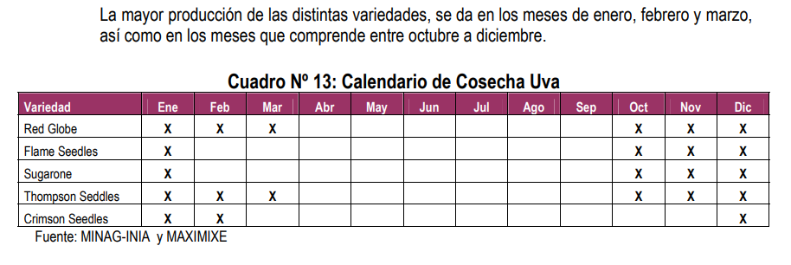

convertidos a KG
 |  | Jan-20 | Feb-20 | Mar-20 | Apr-20 | May-20 | Jun-20 | Jul-20 | Aug-20 | Sep-20 | Oct-20 | Nov-20 | Dec-20 |  |  | Jan-21 | Feb-21 | Mar-21 | Apr-21 | May-21 | Jun-21 | Jul-21 | Aug-21 | Sep-21 | Oct-21 | Nov-21 | Dec-21 | Jul-05 | 0 | Jan-22 | Feb-22 | Mar-22 | Apr-22 | May-22 | Jun-22 | Jul-22 | Aug-22 | Sep-22 | Oct-22 | Nov-22 | Dec-22 | Jul-05 | 0 | Jan-23 | Feb-23 | Mar-23 | Apr-23 | May-23 | Jun-23 | Jul-23 | Aug-23 | Sep-23 | Oct-23 | Nov-23 | Dec-23
Ancash | 2020 | 350,000.00 | 717,000.00 | 1,058,000.00 | 1,459,000.00 | 1,771,000.00 | 2,059,000.00 | 2,334,000.00 | 2,597,000.00 | 3,924,000.00 | 4,185,000.00 | 4,413,000.00 | 3,606,000.00 |  |  | 382,000.00 | 793,000.00 | 1,197,000.00 | 1,597,000.00 | 1,935,000.00 | 2,199,000.00 | 2,489,000.00 | 2,737,000.00 | 2,983,000.00 | 3,264,000.00 | 3,560,000.00 | 4,987,000.00 | 28,123,000.00 | 0.00 | 511,000.00 | 1,159,000.00 | 1,809,000.00 | 2,486,000.00 | 3,078,000.00 | 3,524,000.00 | 3,861,000.00 | 4,150,000.00 | 4,454,000.00 | 4,738,000.00 | 5,032,000.00 | 5,501,000.00 | 40,303,000.00 | 0.00 | 593,000.00 | 1,715,000.00 | 1,715,000.00 | 2,122,000.00 | 2,538,000.00 | 2,850,000.00 | 3,090,000.00 | 3,490,000.00 | 3,655,000.00 | 3,908,000.00 | 4,508,000.00 | 5,016,000.00
Arequipa | 2020 | 4,496,040.00 | 10,025,303.00 | 12,796,473.00 | 13,366,173.00 | 13,366,173.00 | 13,655,273.00 | 18,383,273.00 | 19,440,273.00 | 21,563,273.00 | 24,389,273.00 | 30,275,273.00 | 36,848,000.00 |  |  | 4,157,030.00 | 10,048,820.00 | 13,661,919.00 | 13,821,688.00 | 13,822,000.00 | 14,712,688.00 | 15,121,688.00 | 15,965,688.00 | 19,063,688.00 | 23,653,688.00 | 29,559,688.00 | 33,796,888.00 | 207,385,473.00 | 0.00 | 4,643,200.00 | 11,359,539.00 | 14,501,000.00 | 15,364,819.00 | 15,364,819.00 | 15,602,819.00 | 16,012,819.00 | 17,012,819.00 | 19,235,819.00 | 22,609,819.00 | 26,293,819.00 | 31,705,819.00 | 209,707,110.00 | 0.00 | 1,908,530.00 | 8,994,470.00 | 8,994,470.00 | 10,496,570.00 | 11,198,199.00 | 13,130,199.00 | 14,174,199.00 | 14,414,199.00 | 19,851,199.00 | 28,256,199.00 | 32,556,199.00 | 37,760,249.00
Ayacucho | 2020 | 0.00 | 0.00 | 36,000.00 | 38,000.00 | 42,000.00 | 52,000.00 | 52,000.00 | 52,000.00 | 52,000.00 | 52,000.00 | 52,000.00 | 48,000.00 |  |  | 2,000.00 | 4,000.00 | 9,000.00 | 18,000.00 | 18,000.00 | 22,000.00 | 22,000.00 | 22,000.00 | 22,000.00 | 22,000.00 | 22,000.00 | 22,000.00 | 205,000.00 | 0.00 | 0.00 | 0.00 | 0.00 | 0.00 | 0.00 | 0.00 | 0.00 | 0.00 | 8,000.00 | 8,000.00 | 8,000.00 | 24,000.00 | 48,000.00 | 0.00 | 0.00 | 7,000.00 | 7,000.00 | 7,000.00 | 7,000.00 | 12,000.00 | 12,000.00 | 12,000.00 | 12,000.00 | 12,000.00 | 12,000.00 | 26,000.00
Cajamarca | 2020 | 12,000.00 | 36,000.00 | 60,000.00 | 81,519.00 | 105,429.00 | 256,000.00 | 483,000.00 | 707,000.00 | 981,000.00 | 1,191,000.00 | 1,452,000.00 | 1,657,000.00 |  |  | 24,000.00 | 36,000.00 | 48,000.00 | 60,000.00 | 86,000.00 | 272,000.00 | 543,000.00 | 873,000.00 | 1,107,000.00 | 1,287,000.00 | 1,488,000.00 | 1,629,000.00 | 7,453,000.00 | 0.00 | 12,000.00 | 24,000.00 | 24,000.00 | 153,000.00 | 189,000.00 | 613,000.00 | 1,139,000.00 | 1,440,000.00 | 1,713,000.00 | 2,033,000.00 | 2,350,000.00 | 2,668,000.00 | 12,358,000.00 | 0.00 | 406,000.00 | 797,000.00 | 797,000.00 | 1,025,000.00 | 1,133,000.00 | 1,442,000.00 | 1,822,000.00 | 2,287,000.00 | 2,443,000.00 | 2,771,000.00 | 3,106,000.00 | 2,541,000.00
Ica | 2020 | 105,129,700.00 | 171,799,710.00 | 207,128,760.00 | 212,649,910.00 | 212,649,910.00 | 212,650,910.00 | 212,935,910.00 | 212,981,910.00 | 213,029,910.00 | 214,324,910.00 | 230,932,250.00 | 328,764,000.00 |  |  | 142,925,910.00 | 220,357,910.00 | 254,092,350.00 | 259,953,350.00 | 260,574,000.00 | 275,002,920.00 | 275,002,920.00 | 275,002,920.00 | 275,002,920.00 | 276,326,520.00 | 296,381,920.00 | 400,589,260.00 | 3,211,212,900.00 | 0.00 | 156,655,950.00 | 243,484,290.00 | 292,265,000.00 | 304,765,219.00 | 305,065,219.00 | 305,215,219.00 | 305,215,219.00 | 305,365,219.00 | 305,515,219.00 | 309,015,219.00 | 317,590,619.00 | 430,564,880.00 | 3,580,717,272.00 | 0.00 | 166,898,200.00 | 323,320,570.00 | 323,320,570.00 | 331,320,570.00 | 331,320,570.00 | 334,316,950.00 | 334,316,950.00 | 334,316,950.00 | 334,316,950.00 | 339,716,950.00 | 386,716,950.00 | 548,196,250.00
La Libertad | 2020 | 7,695,100.00 | 14,979,600.00 | 19,336,589.00 | 22,949,589.00 | 25,690,089.00 | 30,373,600.00 | 33,004,500.00 | 35,878,000.00 | 40,302,400.00 | 45,481,800.00 | 52,468,300.00 | 59,213,000.00 |  |  | 8,215,840.00 | 15,545,690.00 | 21,114,590.00 | 23,232,090.00 | 25,867,000.00 | 28,557,090.00 | 31,417,090.00 | 34,768,190.00 | 38,168,190.00 | 41,667,890.00 | 49,620,440.00 | 55,537,590.00 | 373,711,690.00 | 0.00 | 9,027,880.00 | 16,343,330.00 | 17,038,000.00 | 18,924,700.00 | 21,347,900.00 | 23,923,200.00 | 26,611,769.00 | 28,915,069.00 | 31,102,769.00 | 34,612,069.00 | 43,512,069.00 | 50,973,179.00 | 322,331,934.00 | 0.00 | 8,253,169.00 | 19,781,549.00 | 19,781,549.00 | 21,482,149.00 | 23,688,649.00 | 25,411,749.00 | 27,761,749.00 | 29,189,919.00 | 32,428,169.00 | 39,278,169.00 | 51,151,089.00 | 53,931,590.00
Lambayeque | 2020 | 60,000.00 | 6,286,000.00 | 7,246,000.00 | 7,246,000.00 | 7,246,000.00 | 7,246,000.00 | 7,246,000.00 | 7,246,000.00 | 8,226,000.00 | 9,206,000.00 | 16,506,000.00 | 32,032,000.00 |  |  | 4,585,000.00 | 6,302,000.00 | 8,312,000.00 | 8,327,000.00 | 8,342,000.00 | 8,342,000.00 | 8,522,000.00 | 9,310,000.00 | 10,500,000.00 | 13,600,000.00 | 23,945,000.00 | 39,165,000.00 | 149,252,000.00 | 0.00 | 4,400,000.00 | 8,800,000.00 | 10,800,000.00 | 10,840,000.00 | 11,240,000.00 | 11,590,000.00 | 11,685,000.00 | 11,685,000.00 | 14,015,000.00 | 17,215,000.00 | 29,015,000.00 | 43,490,000.00 | 184,775,000.00 | 0.00 | 3,300,000.00 | 6,200,000.00 | 6,200,000.00 | 6,883,000.00 | 7,453,000.00 | 10,630,000.00 | 10,630,000.00 | 11,530,000.00 | 14,632,000.00 | 22,832,000.00 | 30,832,000.00 | 35,226,000.00
Lima | 2020 | 4,766,000.00 | 17,120,600.00 | 37,029,500.00 | 42,457,500.00 | 48,225,500.00 | 47,628,500.00 | 47,636,500.00 | 47,636,500.00 | 47,636,500.00 | 47,636,500.00 | 47,637,500.00 | 47,395,000.00 |  |  | 7,478,000.00 | 20,427,300.00 | 38,907,900.00 | 43,466,600.00 | 48,645,000.00 | 49,958,600.00 | 49,958,600.00 | 49,966,600.00 | 49,966,600.00 | 49,966,600.00 | 49,966,600.00 | 50,990,600.00 | 509,699,000.00 | 0.00 | 7,986,000.00 | 20,989,000.00 | 44,654,000.00 | 52,410,100.00 | 63,401,100.00 | 65,514,100.00 | 66,412,100.00 | 66,412,100.00 | 71,563,100.00 | 71,563,100.00 | 71,563,100.00 | 73,431,100.00 | 675,898,900.00 | 0.00 | 9,920,000.00 | 53,333,700.00 | 53,333,700.00 | 68,594,300.00 | 79,677,300.00 | 86,677,300.00 | 87,577,300.00 | 87,577,300.00 | 90,077,300.00 | 90,077,300.00 | 90,077,300.00 | 90,718,300.00
Lima Metropolitana | 2020 | 0.00 | 127,600.00 | 340,900.00 | 445,700.00 | 445,700.00 | 445,700.00 | 445,700.00 | 445,700.00 | 445,700.00 | 445,700.00 | 445,700.00 | 410,000.00 |  |  | 0.00 | 109,000.00 | 216,900.00 | 268,300.00 | 268,000.00 | 270,300.00 | 270,300.00 | 270,300.00 | 270,300.00 | 270,300.00 | 270,300.00 | 270,300.00 | 2,754,300.00 | 0.00 | 0.00 | 109,400.00 | 225,000.00 | 278,400.00 | 278,400.00 | 278,400.00 | 278,400.00 | 278,400.00 | 278,400.00 | 278,400.00 | 278,400.00 | 278,400.00 | 2,840,000.00 | 0.00 | 0.00 | 248,450.00 | 248,450.00 | 303,950.00 | 303,950.00 | 270,950.00 | 270,950.00 | 270,950.00 | 270,950.00 | 270,950.00 | 270,950.00 | 274,950.00
Moquegua | 2020 | 106,860.00 | 702,528.00 | 1,252,304.00 | 1,863,124.00 | 3,301,124.00 | 7,462,110.00 | 7,870,590.00 | 7,870,590.00 | 7,870,590.00 | 7,870,590.00 | 7,870,590.00 | 9,065,000.00 |  |  | 64,930.00 | 404,640.00 | 1,706,550.00 | 2,694,250.00 | 4,507,000.00 | 5,902,250.00 | 5,939,750.00 | 5,939,750.00 | 5,939,750.00 | 5,939,750.00 | 5,939,750.00 | 5,945,550.00 | 50,923,920.00 | 0.00 | 5,100.00 | 478,550.00 | 1,641,000.00 | 3,314,949.00 | 5,107,949.00 | 6,494,949.00 | 6,523,949.00 | 6,523,949.00 | 6,523,949.00 | 6,523,949.00 | 6,523,949.00 | 6,523,949.00 | 56,186,191.00 | 0.00 | 60,300.00 | 1,317,229.00 | 1,317,229.00 | 3,845,839.00 | 5,878,839.00 | 7,550,839.00 | 7,570,259.00 | 7,570,259.00 | 7,066,039.00 | 7,066,039.00 | 7,066,039.00 | 7,091,149.00
Piura | 2020 | 9,940,000.00 | 14,440,000.00 | 23,440,000.00 | 29,440,000.00 | 29,440,000.00 | 26,440,000.00 | 26,440,000.00 | 29,440,000.00 | 35,561,000.00 | 72,811,000.00 | 163,464,000.00 | 208,831,000.00 |  |  | 17,153,000.00 | 18,173,000.00 | 19,173,000.00 | 19,473,000.00 | 19,473,000.00 | 19,473,000.00 | 21,273,000.00 | 23,519,000.00 | 26,809,000.00 | 63,837,000.00 | 143,237,000.00 | 224,237,000.00 | 615,830,000.00 | 0.00 | 21,600,000.00 | 23,800,000.00 | 23,800,000.00 | 25,400,000.00 | 25,900,000.00 | 27,100,000.00 | 28,900,000.00 | 31,050,000.00 | 34,050,000.00 | 80,129,000.00 | 167,911,000.00 | 266,402,278.53 | 756,042,278.53 | 0.00 | 47,500,000.00 | 48,983,000.00 | 48,983,000.00 | 51,783,000.00 | 52,683,000.00 | 53,583,000.00 | 54,183,000.00 | 56,783,000.00 | 68,783,000.00 | 126,681,000.00 | 206,681,000.00 | 232,854,000.00
San Martín | 2020 | 58,000.00 | 130,000.00 | 174,000.00 | 243,000.00 | 420,500.00 | 561,500.00 | 621,500.00 | 662,500.00 | 725,500.00 | 829,500.00 | 909,000.00 | 928,000.00 |  |  | 65,000.00 | 141,000.00 | 195,000.00 | 280,000.00 | 425,000.00 | 577,000.00 | 634,000.00 | 680,000.00 | 761,000.00 | 844,000.00 | 910,000.00 | 1,037,000.00 | 6,549,000.00 | 0.00 | 66,500.00 | 153,000.00 | 218,000.00 | 315,500.00 | 459,000.00 | 624,000.00 | 685,000.00 | 745,500.00 | 826,000.00 | 968,000.00 | 1,311,000.00 | 1,361,000.00 | 7,732,500.00 | 0.00 | 74,000.00 | 236,500.00 | 236,500.00 | 353,500.00 | 489,000.00 | 658,500.00 | 682,000.00 | 750,000.00 | 886,000.00 | 1,010,000.00 | 1,321,000.00 | 1,370,000.00
Tacna | 2020 | 1,512,000.00 | 3,407,000.00 | 7,132,000.00 | 7,217,000.00 | 7,217,000.00 | 6,817,000.00 | 6,817,000.00 | 6,817,000.00 | 6,817,000.00 | 6,817,000.00 | 6,817,000.00 | 6,817,000.00 |  |  | 1,686,000.00 | 3,746,000.00 | 5,908,000.00 | 5,975,000.00 | 5,975,000.00 | 6,005,000.00 | 6,005,000.00 | 6,005,000.00 | 6,005,000.00 | 6,005,000.00 | 6,005,000.00 | 6,005,000.00 | 65,325,000.00 | 0.00 | 1,748,000.00 | 3,965,000.00 | 6,368,000.00 | 6,484,000.00 | 6,484,000.00 | 6,573,000.00 | 6,573,000.00 | 6,573,000.00 | 6,573,000.00 | 6,573,000.00 | 6,573,000.00 | 6,573,000.00 | 71,060,000.00 | 0.00 | 1,707,000.00 | 6,540,000.00 | 6,540,000.00 | 6,665,000.00 | 6,665,000.00 | 6,665,000.00 | 6,665,000.00 | 6,665,000.00 | 6,665,000.00 | 6,665,000.00 | 6,665,000.00 | 6,665,000.00
Tumbes | 2020 | 0.00 | 0.00 | 0.00 | 0.00 | 0.00 | 0.00 | 12,000.00 | 12,000.00 | 12,000.00 | 29,200.00 | 29,200.00 | 29,000.00 |  |  | 0.00 | 0.00 | 0.00 | 0.00 | 0.00 | 0.00 | 0.00 | 0.00 | 0.00 | 17,000.00 | 17,000.00 | 17,000.00 | 51,000.00 | 0.00 | 0.00 | 0.00 | 0.00 | 0.00 | 0.00 | 0.00 | 0.00 | 0.00 | 0.00 | 0.00 | 0.00 | 0.00 | 0.00 | 0.00 | 0.00 | 0.00 | 0.00 | 0.00 | 0.00 | 0.00 | 0.00 | 0.00 | 0.00 | 7,500.00 | 7,500.00 | 7,500.00
total |  | 134,125,700.00 | 239,771,341.00 | 317,030,526.00 | 339,456,515.00 | 349,920,425.00 | 355,647,593.00 | 364,281,973.00 | 371,786,473.00 | 387,146,873.00 | 435,269,473.00 | 563,271,813.00 | 735,643,000.00

 |  | 0 | 0 | 0 | 0 | 0 | 0 | 0 | 0 | 0 | 0 | 0 | 0 |  |  | 0 | 0 | 0 | 0 | 0 | 0 | 0 | 0 | 0 | 0 | 0 | 0 |  |  | 0 | 0 | 0 | 0 | 0 | 0 | 0 | 0 | 0 | 0 | 0 | 0 |  |  | 0 | 0 | 0 | 0 | 0 | 0 | 0 | 0 | 0 | 0 | 0 | 0
0.00 |  | 0.03% | 0.02% | 13.84% | 12.94% | 12.56% | 12.37% | 12.08% | 11.85% | 11.38% | 10.13% | 7.84% | 6.00% |  |  | 23.67% | 14.94% | 12.14% | 11.68% | 11.37% | 10.78% | 10.64% | 10.45% | 10.18% | 9.14% | 7.28% | 5.40% |  |  | 21.56% | 13.49% | 10.80% | 10.13% | 9.76% | 9.57% | 9.44% | 9.32% | 9.04% | 8.06% | 6.62% | 4.88% |  |  | 18.67% | 9.54% | 9.54% | 8.92% | 8.61% | 8.30% | 8.22% | 8.14% | 7.77% | 6.76% | 5.51% | 4.43%
Ancash |  | 0.26% | 0.30% | 333.72% | 429.80% | 506.12% | 578.94% | 640.71% | 698.52% | 1013.57% | 961.47% | 783.46% | 490.18% |  |  | 204.56% | 267.83% | 328.36% | 421.19% | 496.23% | 534.65% | 596.60% | 643.91% | 683.24% | 670.64% | 582.73% | 605.05% |  |  | 247.27% | 350.51% | 437.65% | 564.06% | 672.18% | 754.52% | 814.73% | 864.31% | 898.24% | 851.75% | 742.22% | 598.26% |  |  | 246.45% | 363.75% | 363.75% | 669.34% | 485.24% | 524.67% | 563.09% | 628.99% | 628.99% | 584.55% | 549.11% | 490.96%
Arequipa |  | 3.35% | 4.18% | 4036.35% | 3937.52% | 3819.78% | 3839.55% | 5046.44% | 5228.88% | 5569.79% | 5603.26% | 5374.90% | 5008.95% |  |  | 2226.12% | 3393.86% | 3747.69% | 3645.28% | 3544.68% | 3577.17% | 3624.58% | 3756.11% | 4366.41% | 4860.01% | 4838.53% | 4100.42% |  |  | 2246.83% | 3435.36% | 3508.22% | 3486.17% | 3355.38% | 3340.70% | 3378.96% | 3543.22% | 3879.30% | 4064.57% | 3878.36% | 3448.17% |  |  | 793.17% | 1907.73% | 1907.73% | 3310.90% | 2141.00% | 2417.20% | 2582.97% | 2597.82% | 3416.22% | 4226.48% | 3965.57% | 3695.91%
Ayacucho |  | 0.00% | 0.00% | 11.36% | 11.19% | 12.00% | 14.62% | 14.27% | 13.99% | 13.43% | 11.95% | 9.23% | 6.52% |  |  | 1.07% | 1.35% | 2.47% | 4.75% | 4.62% | 5.35% | 5.27% | 5.18% | 5.04% | 4.52% | 3.60% | 2.67% |  |  | 0.00% | 0.00% | 0.00% | 0.00% | 0.00% | 0.00% | 0.00% | 0.00% | 1.61% | 1.44% | 1.18% | 2.61% |  |  | 0.00% | 1.48% | 1.48% | 2.21% | 1.34% | 2.21% | 2.19% | 2.16% | 2.07% | 1.79% | 1.46% | 2.54%
Cajamarca |  | 0.01% | 0.02% | 18.93% | 24.01% | 30.13% | 71.98% | 132.59% | 190.16% | 253.39% | 273.62% | 257.78% | 225.25% |  |  | 12.85% | 12.16% | 13.17% | 15.82% | 22.05% | 66.13% | 130.15% | 205.38% | 253.55% | 264.43% | 243.57% | 197.64% |  |  | 5.81% | 7.26% | 5.81% | 34.71% | 41.27% | 131.25% | 240.35% | 299.91% | 345.46% | 365.47% | 346.63% | 290.16% |  |  | 168.73% | 169.04% | 169.04% | 323.31% | 216.62% | 265.46% | 332.02% | 412.18% | 420.42% | 414.48% | 378.33% | 248.71%
Ica |  | 78.38% | 71.65% | 65334.01% | 62644.23% | 60770.93% | 59792.59% | 58453.60% | 57286.08% | 55025.61% | 49239.59% | 40998.37% | 44690.70% |  |  | 76537.91% | 74423.02% | 69701.76% | 68559.20% | 66824.64% | 66862.88% | 65916.59% | 64697.52% | 62987.61% | 56775.45% | 48513.82% | 48601.68% |  |  | 75805.31% | 73634.71% | 70707.62% | 69149.05% | 66620.43% | 65349.21% | 64405.36% | 63597.74% | 61613.42% | 55551.64% | 46844.90% | 46826.15% |  |  | 69361.67% | 68576.47% | 68576.47% | 104507.47% | 63345.71% | 61546.00% | 60922.76% | 60252.86% | 57533.07% | 50813.83% | 47104.82% | 53656.46%
La Libertad |  | 5.74% | 6.25% | 6099.28% | 6760.69% | 7341.69% | 8540.36% | 9060.15% | 9650.16% | 10410.11% | 10449.11% | 9314.92% | 8049.15% |  |  | 4399.64% | 5250.35% | 5792.08% | 6127.15% | 6633.64% | 6943.23% | 7530.49% | 8179.61% | 8742.17% | 8561.30% | 8122.21% | 6738.12% |  |  | 4368.56% | 4942.56% | 4122.00% | 4293.88% | 4661.97% | 5122.16% | 5615.51% | 6022.08% | 6272.51% | 6222.21% | 6418.07% | 5543.60% |  |  | 3429.96% | 4195.68% | 4195.68% | 6776.05% | 4529.07% | 4678.17% | 5059.04% | 5260.80% | 5580.61% | 5875.11% | 6230.56% | 5278.73%
Lambayeque |  | 0.04% | 2.62% | 2285.58% | 2134.59% | 2070.76% | 2037.41% | 1989.12% | 1948.97% | 2124.78% | 2115.01% | 2930.38% | 4354.29% |  |  | 2455.30% | 2128.42% | 2280.12% | 2196.13% | 2139.32% | 2028.23% | 2042.67% | 2190.28% | 2404.96% | 2794.32% | 3919.48% | 4751.71% |  |  | 2129.15% | 2661.30% | 2612.84% | 2459.52% | 2454.60% | 2481.52% | 2465.72% | 2433.61% | 2826.41% | 3094.74% | 4279.74% | 4729.76% |  |  | 1371.46% | 1315.02% | 1315.02% | 2171.08% | 1424.95% | 1956.93% | 1937.11% | 2078.01% | 2518.04% | 3415.14% | 3755.55% | 3447.86%
Lima |  | 3.55% | 7.14% | 11680.11% | 12507.49% | 13781.85% | 13392.05% | 13076.82% | 12812.87% | 12304.50% | 10944.14% | 8457.28% | 6442.66% |  |  | 4004.53% | 6899.06% | 10673.09% | 11463.73% | 12475.09% | 12146.69% | 11974.78% | 11755.20% | 11444.52% | 10266.39% | 8178.87% | 6186.46% |  |  | 3864.40% | 6347.51% | 10803.13% | 11891.48% | 13845.59% | 14027.13% | 14014.03% | 13831.50% | 14432.17% | 12864.89% | 10555.62% | 7986.01% |  |  | 4122.68% | 11312.11% | 11312.11% | 21636.50% | 15233.63% | 15956.84% | 15959.26% | 15783.77% | 15501.53% | 13473.49% | 10972.04% | 8879.34%
Lima Metropolitana |  | 0.00% | 0.05% | 107.53% | 131.30% | 127.37% | 125.32% | 122.35% | 119.88% | 115.12% | 102.40% | 79.13% | 55.73% |  |  | 0.00% | 36.81% | 59.50% | 70.76% | 68.73% | 65.72% | 64.79% | 63.59% | 61.91% | 55.54% | 44.24% | 32.79% |  |  | 0.00% | 33.08% | 54.43% | 63.17% | 60.80% | 59.61% | 58.75% | 57.98% | 56.15% | 50.05% | 41.06% | 30.28% |  |  | 0.00% | 52.70% | 52.70% | 95.87% | 58.11% | 49.88% | 49.38% | 48.83% | 46.63% | 40.53% | 33.00% | 26.91%
Moquegua |  | 0.08% | 0.29% | 395.01% | 548.85% | 943.39% | 2098.18% | 2160.58% | 2116.97% | 2032.97% | 1808.21% | 1397.30% | 1232.26% |  |  | 34.77% | 136.66% | 468.14% | 710.57% | 1155.83% | 1435.04% | 1423.72% | 1397.39% | 1360.46% | 1220.41% | 972.26% | 721.35% |  |  | 2.47% | 144.72% | 397.01% | 752.14% | 1115.48% | 1390.62% | 1376.66% | 1358.73% | 1315.69% | 1172.81% | 962.29% | 709.51% |  |  | 25.06% | 279.39% | 279.39% | 1213.08% | 1123.98% | 1390.07% | 1379.53% | 1364.36% | 1216.00% | 1056.92% | 860.69% | 694.07%
Piura |  | 7.41% | 6.02% | 7393.61% | 8672.69% | 8413.34% | 7434.33% | 7258.11% | 7918.52% | 9185.40% | 16727.80% | 29020.45% | 28387.55% |  |  | 9185.56% | 6137.69% | 5259.47% | 5135.74% | 4993.88% | 4734.57% | 5099.01% | 5533.11% | 6140.42% | 13116.27% | 23446.01% | 27205.66% |  |  | 10452.17% | 7197.61% | 5757.93% | 5763.08% | 5656.07% | 5802.34% | 6098.37% | 6466.71% | 6866.88% | 14404.78% | 24767.02% | 28972.62% |  |  | 19740.65% | 10389.32% | 10389.32% | 16333.76% | 10072.55% | 9864.35% | 9873.80% | 10233.82% | 11836.96% | 18948.56% | 25175.19% | 22791.33%
San Martín |  | 0.04% | 0.05% | 54.88% | 71.59% | 120.17% | 157.88% | 170.61% | 178.19% | 187.40% | 190.57% | 161.38% | 126.15% |  |  | 34.81% | 47.62% | 53.49% | 73.85% | 108.99% | 140.29% | 151.97% | 159.98% | 174.30% | 173.41% | 148.96% | 125.81% |  |  | 32.18% | 46.27% | 52.74% | 71.58% | 100.24% | 133.60% | 144.55% | 155.26% | 166.58% | 174.02% | 193.37% | 148.02% |  |  | 30.75% | 50.16% | 50.16% | 111.50% | 93.49% | 121.23% | 124.28% | 135.17% | 152.47% | 151.07% | 160.91% | 134.09%
Tacna |  | 1.13% | 1.42% | 2249.63% | 2126.05% | 2062.47% | 1916.79% | 1871.35% | 1833.58% | 1760.83% | 1566.16% | 1210.25% | 926.67% |  |  | 902.87% | 1265.16% | 1620.66% | 1575.83% | 1532.30% | 1460.03% | 1439.36% | 1412.74% | 1375.41% | 1233.82% | 982.94% | 728.56% |  |  | 845.85% | 1199.10% | 1540.61% | 1471.17% | 1415.98% | 1407.34% | 1387.01% | 1368.94% | 1325.58% | 1181.63% | 969.52% | 714.85% |  |  | 709.42% | 1387.14% | 1387.14% | 2102.32% | 1274.29% | 1226.99% | 1214.57% | 1201.21% | 1146.99% | 996.93% | 811.84% | 652.36%
 |  | 100.03% | 100.02% | 100013.84% | 100012.94% | 100012.56% | 100012.37% | 100008.79% | 100008.62% | 100008.28% | 100003.42% | 100002.65% | 100002.06% |  |  | 100023.67% | 100014.94% | 100012.14% | 100011.68% | 100011.37% | 100010.78% | 100010.64% | 100010.45% | 100010.18% | 100005.64% | 100004.50% | 100003.34% |  |  | 100021.56% | 100013.49% | 100010.80% | 100010.13% | 100009.76% | 100009.57% | 100009.44% | 100009.32% | 100009.04% | 100008.06% | 100006.62% | 100004.88% |  |  | 100018.67% | 100009.54% | 100009.54% | 159262.31% | 100008.61% | 100008.30% | 100008.22% | 100008.14% | 100007.77% | 100005.64% | 100004.60% | 100003.70%

Precio en chacra
 |  | Jan-20 | Feb-20 | Mar-20 | Apr-20 | May-20 | Jun-20 | Jul-20 | Aug-20 | Sep-20 | Oct-20 | Nov-20 | Dec-20 |  |  | Dec-20 | Jan-21 | Feb-21 | Mar-21 | Apr-21 | May-21 | Jun-21 | Jul-21 | Aug-21 | Sep-21 | Oct-21 | Nov-21 | Dec-21 |  |  | Jan-22 | Feb-22 | Mar-22 | Apr-22 | May-22 | Jun-22 | Jul-22 | Aug-22 | Sep-22 | Oct-22 | Nov-22 | Dec-22 |  |  | Jan-23 | Feb-23 | Mar-23 | Apr-23 | May-23 | Jun-23 | Jul-23 | Aug-23 | Sep-23 | Oct-23 | Nov-23 | Dec-23
Región | Año | Uva | Uva | Uva | Uva | Uva | Uva | Uva | Uva | Uva | Uva | Uva |  | Región | Año | Uva | Uva | Uva | Uva | Uva | Uva | Uva | Uva | Uva | Uva | Uva | Uva | Uva | Región | Año | Uva | Uva | Uva | Uva | Uva | Uva | Uva | Uva | Uva | Uva | Uva | Uva | Región | Año | Uva | Uva | Uva | Uva | Uva | Uva | Uva | Uva | Uva | Uva | Uva | Uva
Nacional | 2019p/ | 2.52 | 2.06 | 1.75 | 1.74 | 1.50 | 3.27 | 2.59 | 3.03 | 3.21 |  | 2.74 | 2.71 | Nacional | 2020p | 2.71 | 2.18 | 1.80 | 1.61 | 1.67 | 1.38 | 2.06 | 3.39 | 2.82 | 3.35 | 3.35 | 3.28 | 2.68 | Nacional | 2021p | 1.74 | 1.72 | 1.73 | 1.73 | 2.08 | 2.07 | 2.54 | 2.90 | 3.73 | 3.78 | 3.65 | 2.81 | Nacional | 2022p | 2.18 | 1.87 | 1.74 | 1.96 | 1.72 | 1.93 | 2.60 | 2.92 | 3.65 | 3.50 | 3.46 | 2.85
 | 2020p/ | 2.45 | 1.74 | 1.41 | 2.01 | 1.62 | 2.03 | 3.63 | 2.87 | 3.35 |  | 3.30 | 2.72 |  | 2021p | 2.72 | 2.57 | 1.68 | 1.79 | 1.62 | 2.05 | 1.73 | 1.40 | 2.95 | 3.66 | 3.84 | 3.50 | 3.42 |  | 2022p | 2.06 | 1.89 | 1.71 | 1.71 | 1.62 | 2.32 | 2.60 | 3.21 | 3.60 | 3.54 | 3.34 | 2.86 |  | 2023p | 2.57 | 1.7 | 1.52 | 1.56 | 1.70 | 1.89 | 2.93 | 3.20 | 2.72 | 3.60 | 3.06 | 2.20
Amazonas | 2019 | - | - | - | - | - | - | - | - | - | - | - |  | Amazonas | 2020 |  | - | - | - | - |  | - | - | - | - | - | - | - | Amazonas | 2021 | - | - |  | - | - | - | - | - | - | - | - | - | Amazonas | 2022 | - |  | - | - | - | - | -
 | 2020 | - | - | - | - | - | - | - | - | - | - | - |  |  | 2021 |  | - | - | - | - |  | - | - | - | - | - | - | - |  | 2022 | - | - |  | - | - | - | - | - | - | - | - | - |  | 2023 | - |  | - | - | - | - | -
Ancash | 2019 | 2.12 | 2.20 | 2.31 | 2.02 | 2.18 | 2.07 | 2.10 | 2.04 | 2.21 | 2.36 | 2.23 | 2.13 | Ancash | 2020 | 2.13 | 2.42 | 2.03 | 2.02 | 2.02 | 2.12 | 2.22 | 2.21 | 2.46 | 2.40 | 2.46 | 2.29 | 2.38 | Ancash | 2021 | 2.27 | 2.03 | 2.23 | 2.23 | 2.34 | 2.25 | 2.24 | 2.25 | 2.46 | 2.43 | 2.50 | 2.32 | Ancash | 2022 | 2.42 | 2.27 | 2.33 | 2.41 | 2.39 | 2.43 | 2.52 | 2.51 | 2.54 | 2.56 | 2.63 | 2.59
 | 2020 | 2.18 | 2.03 | 2.02 | 2.02 | 2.12 | 2.22 | 2.21 | 2.46 | 2.40 | 2.46 | 2.29 | 2.38 |  | 2021 | 2.38 | 2.45 | 2.05 | 2.22 | 2.31 | 2.34 | 2.25 | 2.24 | 2.25 | 2.46 | 2.43 | 2.50 | 2.32 |  | 2022 | 2.42 | 2.27 | 2.33 | 2.33 | 2.39 | 2.43 | 2.52 | 2.51 | 2.54 | 2.56 | 2.63 | 2.59 |  | 2023 | 2.45 | 2.48 | 2.55 | 2.76 | 2.90 | 2.97 | 3.08 | 3.62 | 3.45 | 3.70 | 3.61 | 3.68
Apurímac | 2019 | - | - | - | - | - | - | - | - | - | - | - |  | Apurímac | 2020 |  | - | - | - | - |  | - | - | - | - | - | - | - | Apurímac | 2021 | - | - |  | - | - | - | - | - | - | - | - | - | Apurímac | 2022 | - |  | - | - | - | - | -
 | 2020 | - | - | - | - | - | - | - | - | - | - | - |  |  | 2021 |  | - | - | - | - |  | - | - | - | - | - | - | - |  | 2022 | - | - |  | - | - | - | - | - | - | - | - | - |  | 2023 | - |  | - | - | - | - | -
Arequipa | 2019 | 3.51 | 3.07 | 2.59 | 1.61 | - | 4.00 | 4.00 | 4.00 | 4.50 | 4.30 | 4.00 | 4.00 | Arequipa | 2020 | 4.00 | 4.64 | 3.06 | 2.42 | 1.78 |  | 5.00 | 5.11 | 6.00 | 5.00 | 4.99 | 4.55 | 4.59 | Arequipa | 2021 | 4.10 | 3.44 | 2.49 | 2.49 | - | 5.00 | 4.50 | 4.70 | 5.00 | 5.00 | 5.00 | 4.74 | Arequipa | 2022 | 4.64 | 3.75 | 3.46 | 4.32 | - | 5.00 | 5.00 | 5.00 | 5.00 | 5.50 | 5.00 | 4.30
 | 2020 | 4.08 | 3.06 | 2.45 | 1.71 | - | 5.00 | 5.11 | 6.00 | 5.00 | 5.00 | 4.55 | 4.59 |  | 2021 | 4.59 | 3.90 | 3.45 | 2.67 | 2.46 |  | 5.00 | 4.50 | 4.70 | 5.00 | 5.00 | 5.00 | 4.74 |  | 2022 | 4.64 | 3.75 | 3.46 | 3.46 | - | 5.00 | 5.00 | 5.00 | 5.00 | 5.50 | 5.00 | 4.30 |  | 2023 | 3.90 | 3.91 | 3.88 | 3.14 | 4.97 | 5.00 | 5.00 | 5.00 |  | 4.52 | 4.52 | 4.91
Ayacucho | 2019 | - | 2.18 | 2.25 | 2.21 | 2.50 | - | - | - | - | - | - |  | Ayacucho | 2020 |  | - | 2.12 | 2.25 | 2.28 | 2.30 | - | - | - | - | - | - | - | Ayacucho | 2021 | 2.60 | 3.00 | 2.56 | 2.56 | - | - | - | - | - | - | - | - | Ayacucho | 2022 | - | 2.25 | 2.56 | 2.14 | - | - | -
 | 2020 | - | - | 2.33 | 2.10 | 2.30 | - | - | - | - | - | - |  |  | 2021 |  | - | 3.00 | 3.00 | 2.56 |  | - | - | - | - | - | - | - |  | 2022 | - | - |  | - | - | - | - | - | - | - | - | - |  | 2023 | - | 3.00 | 4.00 | - | - | - | -
Cajamarca | 2019 | 1.80 | 2.00 | 1.80 | 2.10 | 1.27 | 1.46 | 1.42 | 1.54 | 1.49 | 2.32 | 2.29 | 1.54 | Cajamarca | 2020 | 1.54 | 1.20 | 2.20 | 2.20 | 2.50 | 2.13 | 2.40 | 1.96 | 1.99 | 1.87 | 1.63 | 1.68 | 1.67 | Cajamarca | 2021 | 2.50 | 2.30 | 2.40 | 2.40 | 1.82 | 1.98 | 2.00 | 2.01 | 1.93 | 2.27 | 2.40 | 2.20 | Cajamarca | 2022 | 1.20 | 1.20 | 1.70 | 2.47 | 2.15 | 2.17 | 2.32 | 2.50 | 2.50 | 2.41 | 2.74 | 2.73
 | 2020 | 2.30 | 2.20 | 2.20 | 2.50 | 2.13 | 2.40 | 1.96 | 1.99 | 1.87 | 1.63 | 1.68 | 1.53 |  | 2021 | 1.53 | 2.40 | 2.30 | 2.40 | 2.20 | 1.82 | 2.00 | 2.00 | 2.07 | 1.94 | 2.27 | 2.40 | 1.67 |  | 2022 | 1.20 | 1.20 |  | - | 2.40 | 2.17 | 2.32 | 2.50 | 2.50 | 2.41 | 2.74 | 2.73 |  | 2023 | 2.40 | 2.45 | 2.78 | 2.89 | 2.54 | 2.52 | 2.38 | 2.10 | 2.23 | 2.06 | 2.17 | 2.13
Callao | 2019 | - | - | - | - | - | - | - | - | - | - | - |  | Callao | 2020 |  | - | - | - | - |  | - | - | - | - | - | - | - | Callao | 2021 | - | - |  | - | - | - | - | - | - | - | - | - | Callao | 2022 | - |  | - | - | - | - | -
 | 2020 | - | - | - | - | - | - | - | - | - | - | - |  |  | 2021 |  | - | - | - | - |  | - | - | - | - | - | - | - |  | 2022 | - | - |  | - | - | - | - | - | - | - | - | - |  | 2023 | - |  | - | - | - | - | -
Cusco | 2019 | - | - | - | - | - | - | - | - | - | - | - |  | Cusco | 2020 |  | - | - | - | - |  | - | - | - | - | - | - | - | Cusco | 2021 | - | - |  | - | - | - | - | - | - | - | - | - | Cusco | 2022 | - |  | - | - | - | - | -
 | 2020 | - | - | - | - | - | - | - | - | - | - | - |  |  | 2021 |  | - | - | - | - |  | - | - | - | - | - | - | - |  | 2022 | - | - |  | - | - | - | - | - | - | - | - | - |  | 2023 | - |  | - | - | - | - | -
Huancavelica | 2019 | - | - | - | - | - | - | - | - | - | - | - |  | Huancavelica | 2020 |  | - | - | - | - |  | - | - | - | - | - | - | - | Huancavelica | 2021 | - | - |  | - | - | - | - | - | - | - | - | - | Huancavelica | 2022 | - |  | - | - | - | - | -
 | 2020 | - | - | - | - | - | - | - | - | - | - | - |  |  | 2021 |  | - | - | - | - |  | - | - | - | - | - | - | - |  | 2022 | - | - |  | - | - | - | - | - | - | - | - | - |  | 2023 | - |  | - | - | - | - | -
Huánuco | 2019 | - | - | - | - | - | - | - | - | - | - | - |  | Huánuco | 2020 |  | - | - | - | - |  | - | - | - | - | - | - | - | Huánuco | 2021 | - | - |  | - | - | - | - | - | - | - | - | - | Huánuco | 2022 | - |  | - | - | - | - | -
 | 2020 | - | - | - | - | - | - | - | - | - | - | - |  |  | 2021 |  | - | - | - | - |  | - | - | - | - | - | - | - |  | 2022 | - | - |  | - | - | - | - | - | - | - | - | - |  | 2023 | - |  | - | - | - | - | -
Ica | 2019 | 2.41 | 2.12 | 2.15 | 2.19 | 2.50 | 2.30 | 2.70 | - | 2.50 | 2.77 | 2.49 | 2.47 | Ica | 2020 | 2.47 | 1.73 | 1.74 | 1.69 | 2.00 |  | - | 2.50 | 2.50 | 2.50 | 2.42 | 2.40 | 2.09 | Ica | 2021 | 1.38 | 1.38 | 1.38 | 1.38 | 1.83 | 1.10 | 2.10 | 2.00 | 1.95 | 2.20 | 2.41 | 1.96 | Ica | 2022 | 1.73 | 1.65 | 1.69 | 1.78 | 1.78 | - | - |  |  | 1.90 | 2.34 | 2.26
 | 2020 | 2.39 | 1.74 | 1.68 | 2.00 | - | - | 2.50 | 2.50 | 2.50 | 2.42 | 2.40 | 2.09 |  | 2021 | 2.09 | 2.30 | 1.38 | 1.38 | 1.38 | 1.38 | 1.10 | - | - | 1.10 | 2.22 | 2.41 | 1.96 |  | 2022 | 1.71 | 1.65 | 1.66 | 1.66 | - | 1.79 | - | 1.80 | 1.80 | 1.80 | 2.34 | 2.26 |  | 2023 | 2.30 | 1.63 | 1.52 | 1.46 | - | - | - |  |  | 2.41 | 1.98 | 1.87
Junín | 2019 | - | - | - | - | - | - | - | - | - | - | - |  | Junín | 2020 |  | - | - | - | - |  | - | - | - | - | - | - | - | Junín | 2021 | - | - |  | - | - | - | - | - | - | - | - | - | Junín | 2022 | - |  | - | - | - | - | -
 | 2020 | - | - | - | - | - | - | - | - | - | - | - |  |  | 2021 |  | - | - | - | - |  | - | - | - | - | - | - | - |  | 2022 | - | - |  | - | - | - | - | - | - | - | - | - |  | 2023 | - |  | - | - | - | - | -
La Libertad | 2019 | 1.51 | 1.73 | 1.87 | 1.87 | 1.68 | 1.84 | 1.61 | 1.97 | 2.34 | 2.30 | 2.24 | 2.44 | La Libertad | 2020 | 2.44 | 1.81 | 1.83 | 2.12 | 1.96 | 1.50 | 1.42 | 1.57 | 1.68 | 3.08 | 2.81 | 2.78 | 2.51 | La Libertad | 2021 | 2.07 | 2.05 | 2.22 | 2.22 | 1.67 | 1.57 | 1.70 | 1.91 | 2.37 | 2.44 | 2.76 | 2.84 | La Libertad | 2022 | 1.81 | 2.11 | 1.87 | 1.94 | 1.80 | 1.88 | 1.94 | 2.30 | 2.43 | 2.35 | 2.76 | 2.64
 | 2020 | 2.45 | 1.83 | 2.43 | 1.96 | 1.50 | 1.42 | 1.60 | 1.68 | 3.08 | 2.81 | 2.78 | 2.51 |  | 2021 | 2.51 | 2.51 | 2.05 | 2.26 | 1.82 | 1.67 | 1.57 | 1.70 | 2.20 | 2.39 | 2.44 | 2.75 | 2.83 |  | 2022 | 1.81 | 2.00 | 1.80 | 1.80 | 1.80 | 1.88 | 1.94 | 2.30 | 2.43 | 2.43 | 2.75 | 2.63 |  | 2023 | 2.51 | 2.77 | 1.93 | 2.36 | 2.48 | 1.99 | 2.75 | 3.00 | 3.45 | 2.34 | 2.83 | 2.86
Lambayeque | 2019 | 4.76 | 1.65 | 2.00 | - | - | - | - | - | - | 3.10 | 3.20 | 3.50 | Lambayeque | 2020 | 3.50 | 2.57 | 2.61 | 2.60 | - |  | - | 2.50 | 2.50 | 2.25 | 2.71 | 2.50 | 2.50 | Lambayeque | 2021 | 2.85 | 3.03 | 1.90 | 1.90 | 2.80 | - | 2.87 | 2.87 | 2.71 | 2.67 | 2.70 | 2.66 | Lambayeque | 2022 | 2.57 | 2.53 | 2.52 | 2.62 | 2.55 | 2.57 | 2.58 | 2.97 | 2.78 | 2.94 | 3.01 | 2.88
 | 2020 | 2.50 | 2.60 | 2.50 | - | - | - | - | - | 2.00 | 3.00 | 2.50 | 2.50 |  | 2021 | 2.50 | 2.67 | 3.03 | 2.49 | 2.00 | 2.00 | - | - | 2.86 | 2.69 | 2.75 | 2.76 | 12.91 |  | 2022 | 2.56 | 2.55 | 2.33 | 2.33 | - | 2.50 | 2.50 | - | 2.50 | 4.00 | 1.80 | 2.88 |  | 2023 | 2.67 | 2.70 | - | 2.50 | 2.50 | 2.50 | - | 2.52 | 2.50 | 2.50 | 2.50 | 2.54
Lima | 2019 | 1.29 | 1.37 | 1.47 | 1.05 | 0.99 | 1.32 | 1.61 | - | - | - | 1.50 | 1.22 | Lima | 2020 | 1.22 | 1.66 | 1.01 | 0.87 | 0.95 | 0.76 | 0.80 | 1.50 | - | - | - | 2.00 | 1.86 | Lima | 2021 | 1.90 | 1.88 | 1.94 | 1.94 | 1.94 | 1.66 | - | 2.00 | - | - | - | 1.86 | Lima | 2022 | 1.66 | 1.75 | 1.27 | 1.22 | 1.22 | 1.21 | 1.20 |  |  |  |  | 1.31
 | 2020 | 1.29 | 1.05 | 0.85 | 0.97 | 1.25 | 0.80 | 1.50 | - | - | - | 2.00 | 1.86 |  | 2021 | 1.86 | 1.45 | 1.88 | 1.93 | 1.32 | 1.94 | 1.66 | - | 2.00 | - | - | - | 1.86 |  | 2022 | 1.66 | 1.75 | 1.27 | 1.27 | 1.22 | 1.21 | 1.20 | - | - | - | - | 1.31 |  | 2023 | 1.45 | 1.34 | 0.94 | 0.58 | 0.85 | 0.80 | 0.80 |  |  |  |  | 1.46
Lima Metropolitana | 2019 | 2.00 | 1.99 | 1.89 | 1.95 | - | - | - | - | - | - | - |  | Lima Metropolitana | 2020 |  | - | 2.37 | 2.08 | 1.88 |  | - | - | - | - | - | - | - | Lima Metropolitana | 2021 | - | 2.26 | 2.54 | 2.54 | - | - | - | - | - | - | - | - | Lima Metropolitana | 2022 | - | 2.34 | 2.69 | 2.27 | - | - | -
 | 2020 | - | 2.35 | 2.06 | 1.87 | - | - | - | - | - | - | - |  |  | 2021 |  | - | 2.27 | 2.54 | 2.19 |  | - | - | - | - | - | - | - |  | 2022 | - | 2.34 | 2.69 | 2.69 | - | - | - | - | - | - | - | - |  | 2023 | - | 2.22 | 2.43 | 2.34 | - | - | -
Loreto | 2019 | - | - | - | - | - | - | - | - | - | - | - |  | Loreto | 2020 |  | - | - | - | - |  | - | - | - | - | - | - | - | Loreto | 2021 | - | - |  | - | - | - | - | - | - | - | - | - | Loreto | 2022 | - |  | - | - | - | - | -
 | 2020 | - | - | - | - | - | - | - | - | - | - | - |  |  | 2021 |  | - | - | - | - |  | - | - | - | - | - | - | - |  | 2022 | - | - |  | - | - | - | - | - | - | - | - | - |  | 2023 | - |  | - | - | - | - | -
Madre de Dios | 2019 | - | - | - | - | - | - | - | - | - | - | - |  | Madre de Dios | 2020 |  | - | - | - | - |  | - | - | - | - | - | - | - | Madre de Dios | 2021 | - | - |  | - | - | - | - | - | - | - | - | - | Madre de Dios | 2022 | - |  | - | - | - | - | -
 | 2020 | - | - | - | - | - | - | - | - | - | - | - |  |  | 2021 |  | - | - | - | - |  | - | - | - | - | - | - | - |  | 2022 | - | - |  | - | - | - | - | - | - | - | - | - |  | 2023 | - |  | - | - | - | - | -
Moquegua | 2019 | 3.00 | 2.97 | 2.33 | 2.99 | 3.00 | 3.00 | - | - | - | - | - |  | Moquegua | 2020 |  | 2.45 | 2.39 | 2.21 | 2.09 | 3.00 | 2.50 | 2.50 | 2.70 | - | - | - | - | Moquegua | 2021 | 2.66 | 2.59 |  | 2.77 | 3.00 | 3.00 | 3.17 | - | - | - | - | 2.45 | Moquegua | 2022 | 2.45 | 2.77 | 2.93 | 3.00 | 3.50 | 3.00 | 3.50
 | 2020 | 2.24 | 2.56 | 2.26 | 2.09 | 3.00 | 2.50 | 2.50 | - | - | - | - |  |  | 2021 |  | 3.00 | 2.59 | 2.77 | 2.80 | 3.00 | 3.00 | 3.50 | - | - | - | - | 2.45 |  | 2022 | 2.45 | 2.77 | 2.77 | 2.93 | 3.50 | 3.00 | 3.50 | - | - | - | - | - |  | 2023 | 3.00 | 3.04 | 3.01 | 3.25 | 3.00 | 3.00 | 3.00 |  | 2.50
Pasco | 2019 | - | - | - | - | - | - | - | - | - | - | - |  | Pasco | 2020 |  | - | - | - | - |  | - | - | - | - | - | - | - | Pasco | 2021 | - | - | 2.93 | - | - | - | - | - | - | - | - | - | Pasco | 2022 | - |  | - | - | - | - | -
 | 2020 | - | - | - | - | - | - | - | - | - | - | - |  |  | 2021 |  | - | - | - | - |  | - | - | - | - | - | - | - |  | 2022 | - | - |  | - | - | - | - | - | - | - | - | - |  | 2023 | - |  | - | - | - | - | -
Piura | 2019 | 3.18 | 2.50 | - | - | - | 4.00 | 3.00 | 3.50 | 3.50 | 2.79 | 2.72 | 2.93 | Piura | 2020 | 2.93 | 3.97 | - | 3.00 | 3.00 |  | 3.00 | 3.00 | 3.00 | 3.50 | 3.41 | 3.50 | 3.50 | Piura | 2021 | 3.41 | 3.00 |  | - | - | - | 3.60 | 3.61 | 4.25 | 3.89 | 3.97 | 3.93 | Piura | 2022 | 3.97 | 3.80 | - | 3.80 | 3.80 | 3.80 | 3.80 | 3.56 | 3.63 | 3.60 | 3.63 | 3.56
 | 2020 | 2.83 | - | - | 3.00 | - | - | - | 3.00 | 3.50 | 3.50 | 3.50 | 3.50 |  | 2021 | 3.50 | 3.61 | 3.00 | 3.00 | 3.00 |  | - | - | 3.61 | 4.25 | 4.00 | 3.84 | 3.93 |  | 2022 | 3.96 | 3.50 |  | - | 3.80 | 3.80 | 3.80 | 3.64 | 3.68 | 3.60 | 3.64 | 3.57 |  | 2023 | 3.61 | 3.61 | 3.51 | 3.51 | 3.51 | 3.50 | 3.50 | 3.50 | 3.50 | 3.89 | 3.70 | 3.60
Puno | 2019 | - | - | - | - | - | - | - | - | - | - | - |  | Puno | 2020 |  | - | - | - | - |  | - | - | - | - | - | - | - | Puno | 2021 | - | - |  | - | - | - | - | - | - | - | - | - | Puno | 2022 | - |  | - | - | - | - | -
 | 2020 | - | - | - | - | - | - | - | - | - | - | - |  |  | 2021 |  | - | - | - | - |  | - | - | - | - | - | - | - |  | 2022 | - | - |  | - | - | - | - | - | - | - | - | - |  | 2023 | - |  | - | - | - | - | -
San Martín | 2019 | 2.91 | 2.82 | 3.00 | 2.97 | 3.01 | 3.00 | 3.00 | 2.97 | 3.01 | 3.01 | 3.00 | 3.00 | San Martín | 2020 | 3.00 | 4.25 | 3.64 | 3.18 | 3.00 | 2.93 | 2.93 | 2.80 | 3.50 | 2.98 | 2.90 | 2.74 | 3.12 | San Martín | 2021 | 2.85 | 3.32 | 3.24 | 3.24 | 3.42 | 3.83 | 3.71 | 4.67 | 4.64 | 4.54 | 4.45 | 4.33 | San Martín | 2022 | 4.25 | 4.32 | 4.15 | 4.56 | 3.10 | 3.08 | 3.21 | 3.14 | 3.19 | 3.14 | 3.13 | 3.23
 | 2020 | 2.90 | 3.64 | 3.18 | 3.00 | 2.94 | 2.93 | 2.83 | 3.50 | 2.98 | 2.90 | 2.74 | 3.00 |  | 2021 | 3.00 | 3.50 | 3.32 | 3.33 | 3.39 | 3.43 | 4.71 | 4.05 | 4.65 | 4.67 | 5.00 | 5.00 | 4.33 |  | 2022 | 4.25 | 4.32 | 4.15 | 4.15 | 3.10 | 3.08 | 3.21 | 3.14 | 3.20 | 3.14 | 3.13 | - |  | 2023 | 3.50 | 3.81 | 4.00 | 4.00 | 3.23 | 3.19 | 4.00 | 3.28 | 3.30 | 3.63 | 3.84 | 3.69
Tacna | 2019 | 3.93 | 3.04 | 2.94 | 3.35 | - | - | - | - | - | - | - | 3.50 | Tacna | 2020 | 3.50 | 4.00 | 3.04 | 3.10 | 3.00 |  | - | - | - | - | - | - | - | Tacna | 2021 | 3.43 | 3.05 | 3.07 | 3.07 | - | - | - | - | - | - | - | - | Tacna | 2022 | 4.00 | 3.17 | 3.11 | 3.00 | - | - | -
 | 2020 | 3.09 | 3.04 | 3.10 | 3.00 | - | - | - | - | - | - | - |  |  | 2021 |  | 4.96 | 3.05 | 3.07 | 3.50 |  | - | - | - | - | - | - | - |  | 2022 | 4.00 | 3.17 | 3.11 | 3.11 | - | - | - | - | - | - | - | - |  | 2023 | 4.96 | 4.00 | 5.08 | 4.50 | - | - | -
Tumbes | 2019 | - | - | - | 2.00 | - | - | - | - | - | 3.00 | - |  | Tumbes | 2020 |  | - | - | - | - | - | - | 2.00 | - | - | 2.50 | - | - | Tumbes | 2021 | - | - |  | - | - | - | - | - | - | 2.80 | - | - | Tumbes | 2022 | - |  | - | - | - | - | -
 | 2020 | - | - | - | - | - | - | 2.00 | - | - | 2.50 | - |  |  | 2021 |  | - | - | - | - | - | - | - | - | - | 2.80 | - | - |  | 2022 | - | - |  | - | - | - | - | - | - | - | - | - |  | 2023 | - |  | - | - | - | - | - |  |  | 2.50
Ucayali | 2019 | - | - | - | - | - | - | - | - | - | - | - |  | Ucayali | 2020 |  | - | - | - | - | - | - | - | - | - | - | - | - | Ucayali | 2021 | - | - |  | - | - | - | - | - | - | - | - | - | Ucayali | 2022 | - |  | - | - | - | - | -
 | 2020 | - | - | - | - | - | - | - | - | - | - | - |  |  | 2021 | - | - | - | - | - | - | - | - | - |  |  | - | - |  | 2022 | - | - |  | - | - | - | - | - | - | - | - | - |  | 2023 | - |  | - | - | - | - | -
 |  |  |  |  |  |  | -

C.49 PERÚ: PRECIO PROMEDIO PAGADO AL PRODUCTOR (EN CHACRA) DE PRINCIPALES PRODUCTOS AGRÍCOLAS
POR REGIÓN, ENERO 2019-2020
(Soles por kilogramo)
 |  | Jan-20 | Feb-20 | Mar-20 | Apr-20 | May-20 | Jun-20 | Jul-20 | Aug-20 | Sep-20 | Oct-20 | Nov-20 | Dec-20 |  | Jan-21 | Feb-21 | Mar-21 | Apr-21 | May-21 | Jun-21 | Jul-21 | Aug-21 | Sep-21 | Oct-21 | Nov-21 | Dec-21 | Jan-22 | Feb-22 | Mar-22 | Apr-22 | May-22 | Jun-22 | Jul-22 | Aug-22 | Sep-22 | Oct-22 | Nov-22 | Dec-22 | Jan-23 | Feb-23 | Mar-23 | Apr-23 | May-23 | Jun-23 | Jul-23 | Aug-23 | Sep-23 | Oct-23 | Nov-23 | Dec-23 |  |  | 0 | 0 | 0 | 0 | 0 | 0 | 0 | 0 | 0 | 0 | 0 | 0 | 0 | 0 | 0 | 0 | 0 | 0 | 0
 | Ancash | 2.18 | 2.03 | 2.02 | 2.02 | 2.12 | 2.22 | 2.21 | 2.46 | 2.40 | 2.46 | 2.29 | 2.38 |  | 2.45 | 2.05 | 2.22 | 2.31 | 2.34 | 2.25 | 2.24 | 2.25 | 2.46 | 2.43 | 2.50 | 2.32 | 2.42 | 2.27 | 2.33 | 2.33 | 2.39 | 2.43 | 2.52 | 2.51 | 2.54 | 2.56 | 2.63 | 2.59 | 2.45 | 2.48 | 2.55 | 2.76 | 2.90 | 2.97 | 3.08 | 3.62 | 3.45 | 3.70 | 3.61 | 3.68 |  |  | - | - | - | - | - | - | - | - | - | - | - | - | - | - | - | - | - | - | -
 | Arequipa | 4.08 | 3.06 | 2.45 | 1.71 | - | 5.00 | 5.11 | 6.00 | 5.00 | 5.00 | 4.55 | 4.59 |  | 3.90 | 3.45 | 2.67 | 2.46 | - | 5.00 | 4.50 | 4.70 | 5.00 | 5.00 | 5.00 | 4.74 | 4.64 | 3.75 | 3.46 | 3.46 | - | 5.00 | 5.00 | 5.00 | 5.00 | 5.50 | 5.00 | 4.30 | 3.90 | 3.91 | 3.88 | 3.14 | 4.97 | 5.00 | 5.00 | 5.00 | - | 4.52 | 4.52 | 4.91 |  |  | - | - | - | - | - | - | - | - | - | - | - | - | - | - | - | - | - | - | -
 | Ayacucho | - | - | 2.33 | 2.10 | 2.30 | - | - | - | - | - | - | - |  | - | 3.00 | 3.00 | 2.56 | - | - | - | - | - | - | - | - | - | - | - | - | - | - | - | - | - | - | - | - | - | 3.00 | 4.00 | - | - | - | - | - | - | - | - | - |  |  | - | - | - | - | - | - | - | - | - | - | - | - | - | - | - | - | - | - | -
 | Cajamarca | 2.30 | 2.20 | 2.20 | 2.50 | 2.13 | 2.40 | 1.96 | 1.99 | 1.87 | 1.63 | 1.68 | 1.53 |  | 2.40 | 2.30 | 2.40 | 2.20 | 1.82 | 2.00 | 2.00 | 2.07 | 1.94 | 2.27 | 2.40 | 1.67 | 1.20 | 1.20 | - | - | 2.40 | 2.17 | 2.32 | 2.50 | 2.50 | 2.41 | 2.74 | 2.73 | 2.40 | 2.45 | 2.78 | 2.89 | 2.54 | 2.52 | 2.38 | 2.10 | 2.23 | 2.06 | 2.17 | 2.13 |  |  | - | - | - | - | - | - | - | - | - | - | - | - | - | - | - | - | - | - | -
 | Ica | 2.39 | 1.74 | 1.68 | 2.00 | - | - | 2.50 | 2.50 | 2.50 | 2.42 | 2.40 | 2.09 |  | 2.30 | 1.38 | 1.38 | 1.38 | 1.38 | 1.10 | - | - | 1.10 | 2.22 | 2.41 | 1.96 | 1.71 | 1.65 | 1.66 | 1.66 | - | 1.79 | - | 1.80 | 1.80 | 1.80 | 2.34 | 2.26 | 2.30 | 1.63 | 1.52 | 1.46 | - | - | - | - | - | 2.41 | 1.98 | 1.87 |  |  | - | - | - | - | - | - | - | - | - | - | - | - | - | - | - | - | - | - | -
 | La Libertad | - | 2.35 | 2.06 | 1.87 | - | - | - | - | - | - | - | - |  | 2.51 | 2.05 | 2.26 | 1.82 | 1.67 | 1.57 | 1.70 | 2.20 | 2.39 | 2.44 | 2.75 | 2.83 | 1.81 | 2.00 | 1.80 | 1.80 | 1.80 | 1.88 | 1.94 | 2.30 | 2.43 | 2.43 | 2.75 | 2.63 | 2.51 | 2.77 | 1.93 | 2.36 | 2.48 | 1.99 | 2.75 | 3.00 | 3.45 | 2.34 | 2.83 | 2.86 |  |  | - | - | - | - | - | - | - | - | - | - | - | - | - | - | - | - | - | - | -
 | Lambayeque | 2.50 | 2.60 | 2.50 | - | - | - | - | - | 2.00 | 3.00 | 2.50 | 2.50 |  | 2.67 | 3.03 | 2.49 | 2.00 | 2.00 | - | - | 2.86 | 2.69 | 2.75 | 2.76 | 12.91 | 2.56 | 2.55 | 2.33 | 2.33 | - | 2.50 | 2.50 | - | 2.50 | 4.00 | 1.80 | 2.88 | 2.67 | 2.70 | - | 2.50 | 2.50 | 2.50 | - | 2.52 | 2.50 | 2.50 | 2.50 | 2.54 |  |  | - | - | - | - | - | - | - | - | - | - | - | - | - | - | - | - | - | - | -
 | Lima | 1.29 | 1.05 | 0.85 | 0.97 | 1.25 | 0.80 | 1.50 | - | - | - | 2.00 | 1.86 |  | 1.45 | 1.88 | 1.93 | 1.32 | 1.94 | 1.66 | - | 2.00 | - | - | - | 1.86 | 1.66 | 1.75 | 1.27 | 1.27 | 1.22 | 1.21 | 1.20 | - | - | - | - | 1.31 | 1.45 | 1.34 | 0.94 | 0.58 | 0.85 | 0.80 | 0.80 | - | - | - | - | 1.46 |  |  | - | - | - | - | - | - | - | - | - | - | - | - | - | - | - | - | - | - | -
 | Lima Metropolitana | - | 2.35 | 2.06 | 1.87 | - | - | - | - | - | - | - | - |  | - | 2.27 | 2.54 | 2.19 | - | - | - | - | - | - | - | - | - | 2.34 | 2.69 | 2.69 | - | - | - | - | - | - | - | - | - | 2.22 | 2.43 | 2.34 | - | - | - | - | - | - | - | - |  |  | - | - | - | - | - | - | - | - | - | - | - | - | - | - | - | - | - | - | -
 | Moquegua | 2.24 | 2.56 | 2.26 | 2.09 | 3.00 | 2.50 | 2.50 | - | - | - | - | - |  | 3.00 | 2.59 | 2.77 | 2.80 | 3.00 | 3.00 | 3.50 | - | - | - | - | 2.45 | 2.45 | 2.77 | 2.77 | 2.93 | 3.50 | 3.00 | 3.50 | - | - | - | - | - | 3.00 | 3.04 | 3.01 | 3.25 | 3.00 | 3.00 | 3.00 | - | 2.50 | - | - | - |  |  | - | - | - | - | - | - | - | - | - | - | - | - | - | - | - | - | - | - | -
 | Piura | 2.83 | - | - | 3.00 | - | - | - | 3.00 | 3.50 | 3.50 | 3.50 | 3.50 |  | 3.61 | 3.00 | 3.00 | 3.00 | - | - | - | 3.61 | 4.25 | 4.00 | 3.84 | 3.93 | 3.96 | 3.50 | - | - | 3.80 | 3.80 | 3.80 | 3.64 | 3.68 | 3.60 | 3.64 | 3.57 | 3.61 | 3.61 | 3.51 | 3.51 | 3.51 | 3.50 | 3.50 | 3.50 | 3.50 | 3.89 | 3.70 | 3.60 |  |  | - | - | - | - | - | - | - | - | - | - | - | - | - | - | - | - | - | - | -
 | San Martín | 2.90 | 3.64 | 3.18 | 3.00 | 2.94 | 2.93 | 2.83 | 3.50 | 2.98 | 2.90 | 2.74 | 3.00 |  | 3.50 | 3.32 | 3.33 | 3.39 | 3.43 | 4.71 | 4.05 | 4.65 | 4.67 | 5.00 | 5.00 | 4.33 | 4.25 | 4.32 | 4.15 | 4.15 | 3.10 | 3.08 | 3.21 | 3.14 | 3.20 | 3.14 | 3.13 | - | 3.50 | 3.81 | 4.00 | 4.00 | 3.23 | 3.19 | 4.00 | 3.28 | 3.30 | 3.63 | 3.84 | 3.69 |  |  | - | - | - | - | - | - | - | - | - | - | - | - | - | - | - | - | - | - | -
 | Tacna | 3.09 | 3.04 | 3.10 | 3.00 | - | - | - | - | - | - | - | - |  | 4.96 | 3.05 | 3.07 | 3.50 | - | - | - | - | - | - | - | - | 4.00 | 3.17 | 3.11 | 3.11 | - | - | - | - | - | - | - | - | 4.96 | 4.00 | 5.08 | 4.50 | - | - | - | - | - | - | - | - |  |  | - | - | - | - | - | - | - | - | - | - | - | - | - | - | - | - | - | - | -
 | Tumbes | - | - | - | - | - | - | 2.00 | - | - | 2.50 | - | - |  | - | - | - | - | - | - | - | - | - | 2.80 | - | - | - | - | - | - | - | - | - | - | - | - | - | - | - | - | - | - | - | - | - | - | - | 2.50 | - | - |  |  | - | - | - | - | - | - | - | - | - | - | - | - | - | - | - | - | - | - | -
 |  |  |  |  |  |  | 0.66 | 1.16 | 75.76%
 |  | 2020 | 2021 | 2022 | 2023
 | Ancash | 2.23 | 2.32 | 2.46 | 3.10 | 39.0%
Evolución de Precios en Chacra (S/. por kilo) 2020-2023
 | Arequipa | 3.88 | 3.87 | 4.18 | 4.06 | 4.8%
 | Ayacucho | 0.56 | 0.71 | - | 0.58 | 4.0%
 | Cajamarca | 2.03 | 2.12 | 1.85 | 2.39 | 17.6%
 | Ica | 1.85 | 1.38 | 1.54 | 1.10 | -40.7%
 | La Libertad | 0.52 | 2.18 | 2.13 | 2.60 | 397.5%
 | Lambayeque | 1.47 | 3.01 | 2.16 | 2.12 | 44.5%
 | Lima | 0.96 | 1.17 | 0.91 | 0.68 | -29.0%
 | Lima Metropolitana | 0.52 | 0.58 | 0.64 | 0.58 | 11.2%
 | Moquegua | 1.43 | 1.93 | 1.74 | 1.98 | 38.8%
 | Piura | 1.90 | 2.69 | 3.08 | 3.58 | 88.1%
 | San Martín | 3.05 | 4.11 | 3.24 | 3.62 | 18.9%
 | Tacna | 1.02 | 1.21 | 1.12 | 1.54 | 51.5%
 | Tumbes | 0.38 | 0.23 | - | 0.21 | -44.4%

 |  |  |  |  |  |  | Los precios desde el año 2020-2023 han tenido un crecimiento , como promedio nacional , siendo la Libertad con mayor crecimiento en este periodo con 397.5% , teniendo un precio de 0.52 por kilo en el año 2020, para tener en el año 2023 un precio de 2.60 por kilo de Uva

Principales Empresas exportador
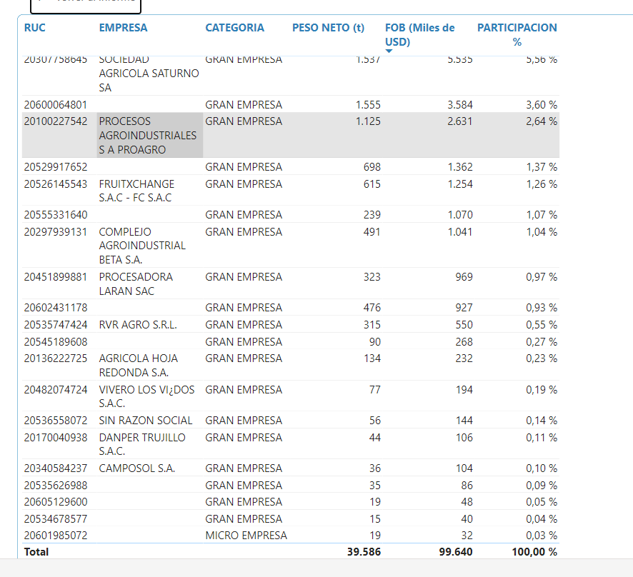
AÑO 2023

Ancash | Razon social | RUC | CATEGORIA | PARTICIPACIÓN
 | ARA EXPORT S.A.C. | 20551771556 | GRAN EMPRESA | 48.58%
 | FUNDO LOS PALTOS S.A.C. | 20445534570 | GRAN EMPRESA | 45.72%
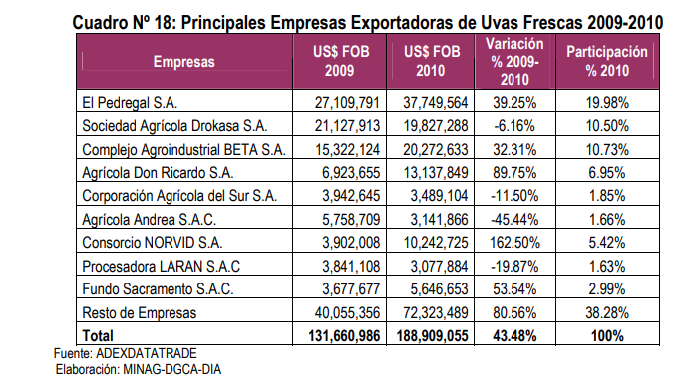
 | POLAR FRUIT INTERNATIONAL S.A.C. | 20545189608 | MICRO EMPRESA | 4%
 | GREEN GOLD PACIFIC S.A.C. | 20610758933 | MICRO EMPRESA | 1.69%
 |  |  |  | 100%

Arequipa | Razon social | RUC | CATEGORIA | PARTICIPACIÓN
 |  | 20411808972 | GRAN EMPRESA | 66.57%
 |  | 20609638848 | GRAN EMPRESA | 15.42%
 |  | 20601206758 | MICRO EMPRESA | 4.59%
 |  | 20600370899 | GRAN EMPRESA | 3.95%
 |  | 20610758933 | MICRO EMPRESA | 3.13%
 |  | 20605129600 | MICRO EMPRESA | 2.45%
 |  | 20545189608 | GRAN EMPRESA | 1.55%
 |  | 20565608828 | MICRO EMPRESA | 1.25%
 |  | 20455178291 | MICRO EMPRESA | 0.51%
 |  | 20610356835 | MICRO EMPRESA | 0.40%
 |  | 20324737171 | MICRO EMPRESA | 0.18%
 |  |  |  | 100%

Ayacucho | Razon social | RUC | CATEGORIA | PARTICIPACIÓN
 |  | 20534678577 | MICRO EMPRESA | 100%

Cajamarca | Razon social | RUC | CATEGORIA | PARTICIPACIÓN

Ica | Razon social | RUC | CATEGORIA | PARTICIPACIÓN

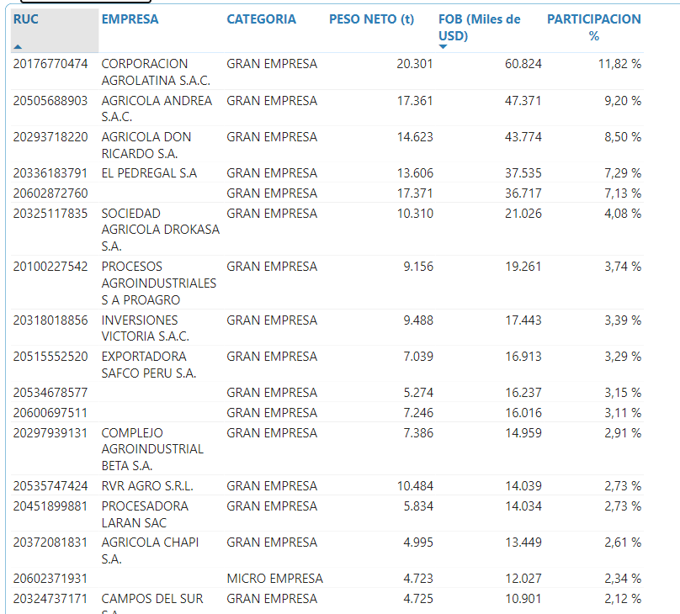

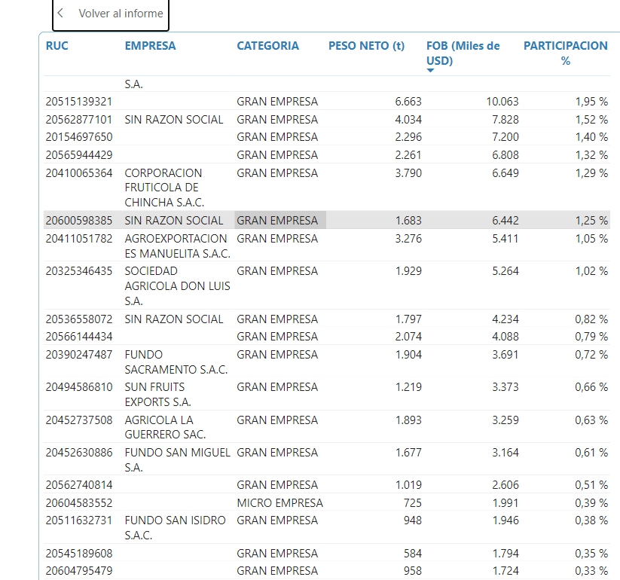

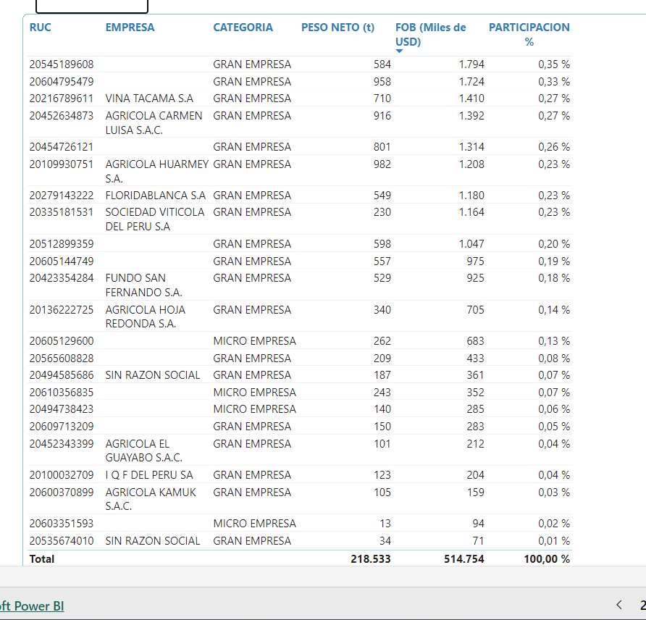

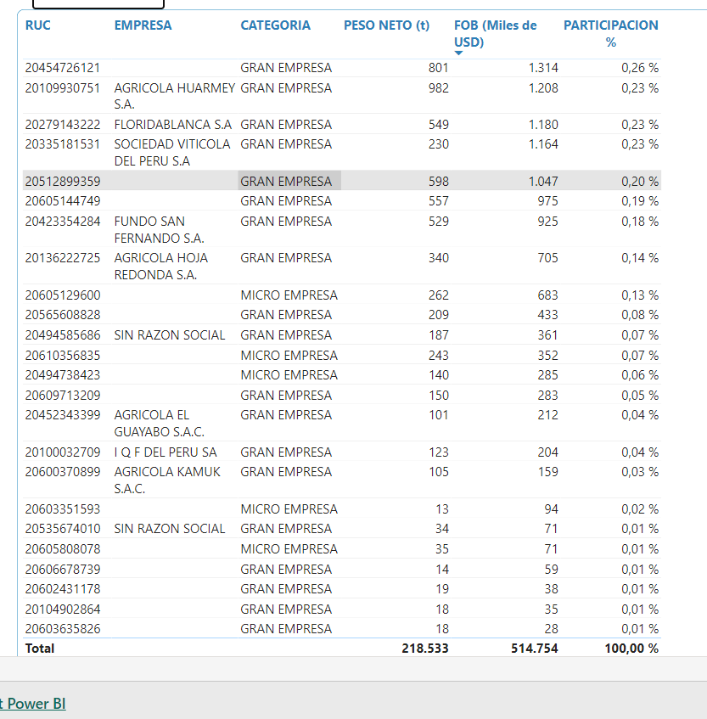

La Libertad
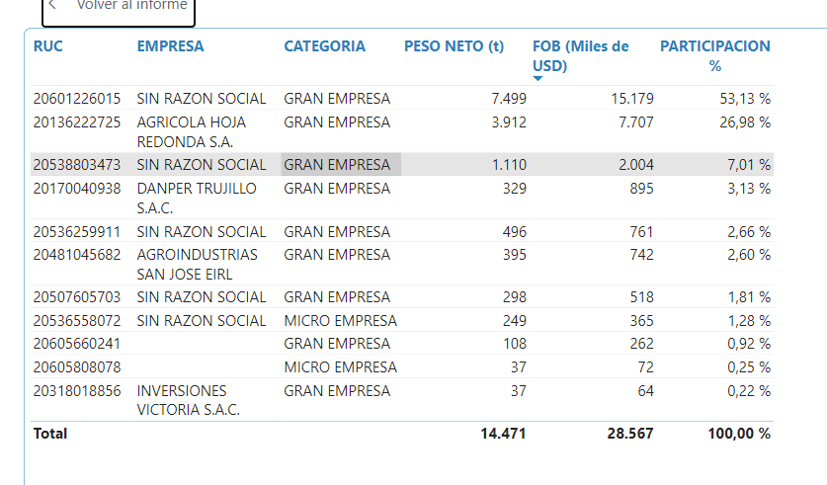

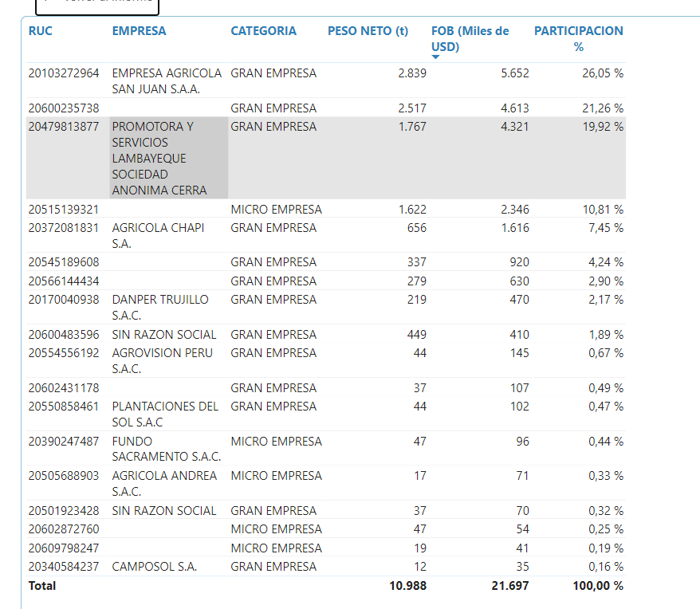
Lambayeque

Lima

Moquegua

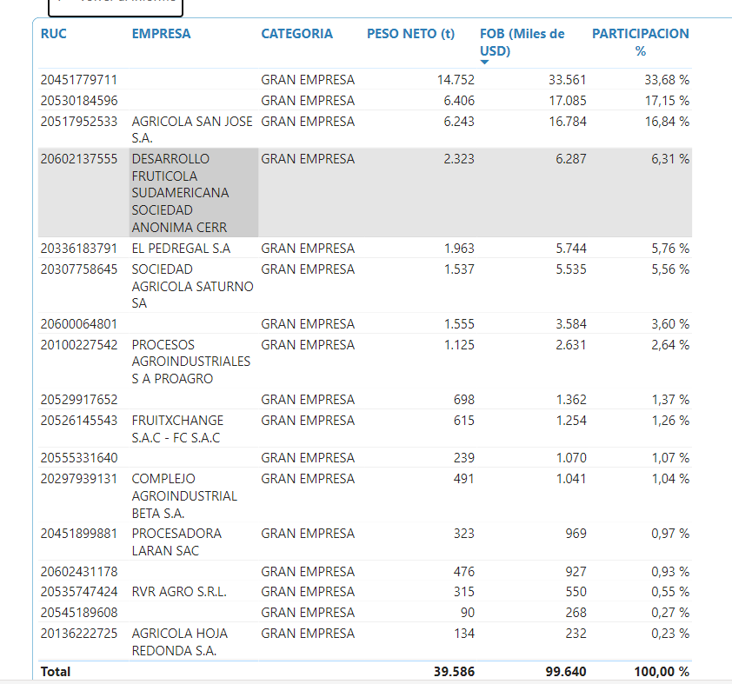
Piura

Diciembre 2020
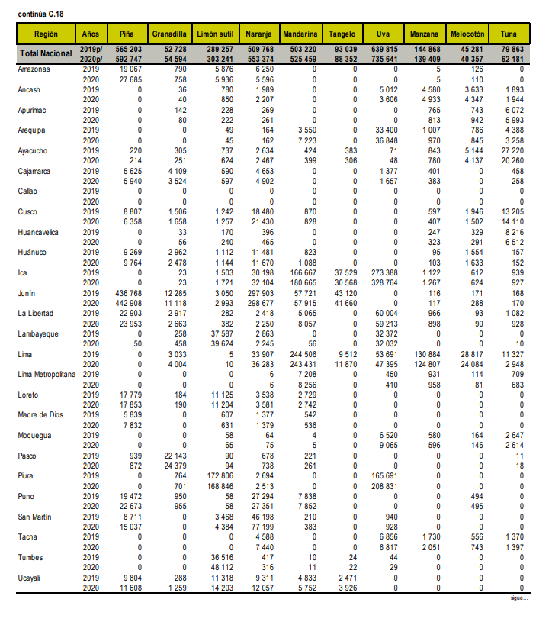

Mayo 2021
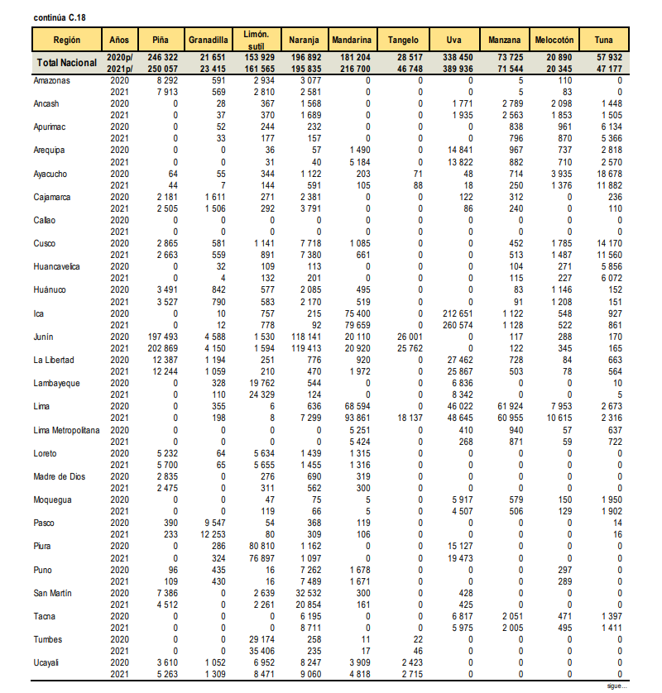

Marzo 2022
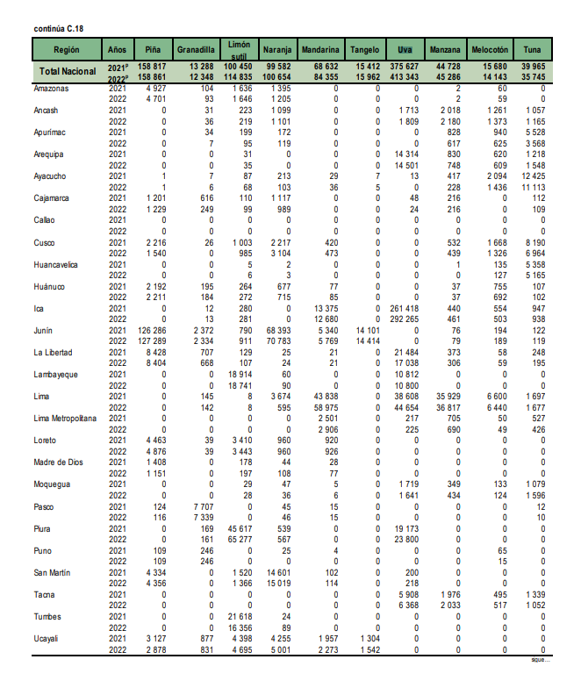

Hoja49
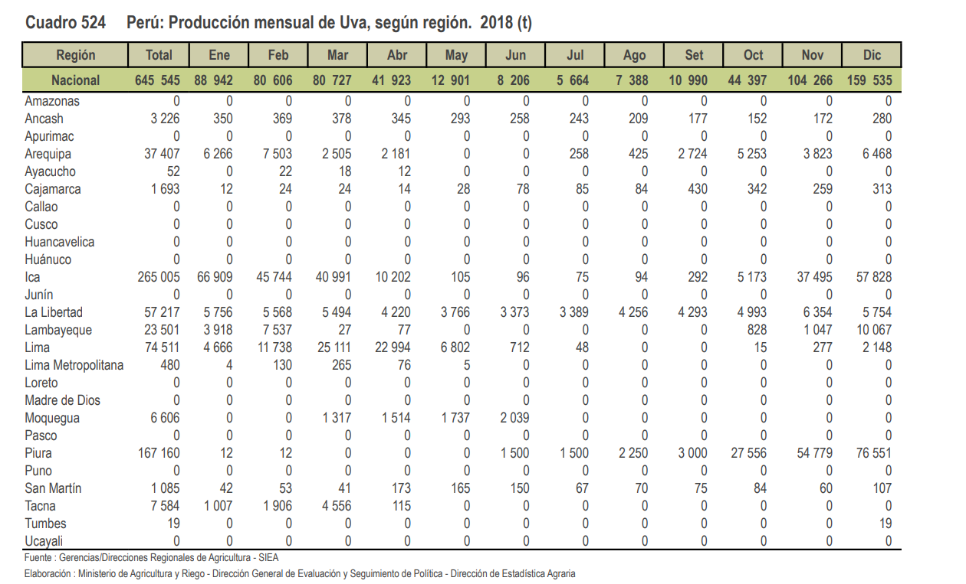
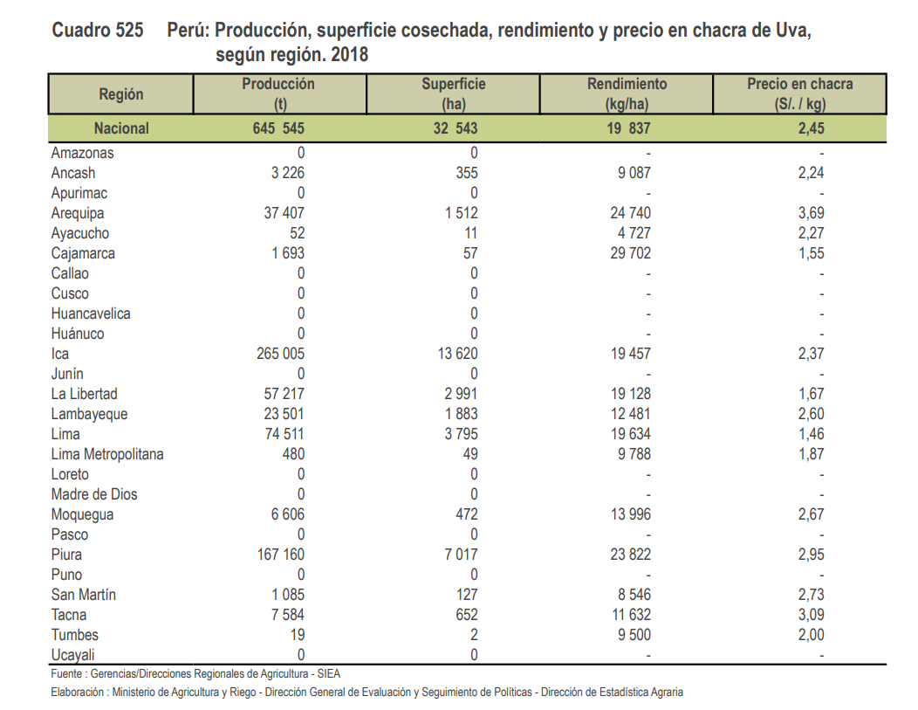

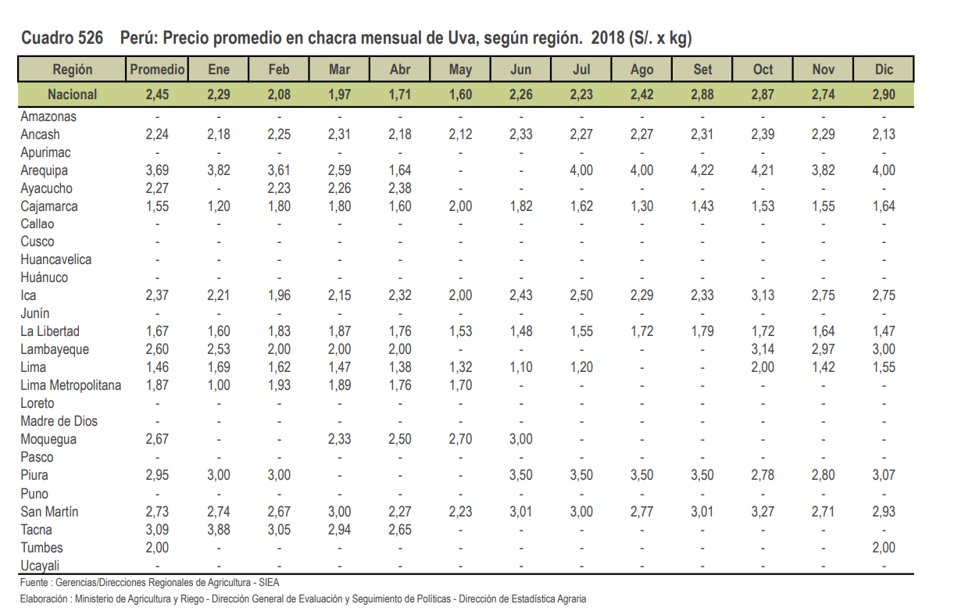

9.0873239437

precio al consumidor final alto
precio al mayorista
precio por chacra

